주차 후 녹화 기능
OWP_225 |  |  | English Translation | English Translation | English Translation |  | English Translation | English Translation
ID | Test method | TC design method | Verification items | detail | Precondition | Step | Execution Procedure | Expected value | 결과 | 측정값 | 판정 | 비고 | 매뉴얼 기본 | 자동화 기본 | 자동화 반영 | 사양구분 | 과거차문제
[BLTN_CAM-기능-005] 주차 상시 녹화
 |  |  |  |  |  | 2 | ▪ Check front/rear camera indicator | ▪ Camera Indicator 0.5Hz/50%/Maintain |  |  |  |  | O | △ | △ | 주차 중 상시 녹화_지원
 |  |  |  |  |  | 3 | ▪ Check front/rear camera indicator | ▪ Camera Indicator OFF/-/Keep |  |  |  |  | X | △ | △ | 주차 중 상시 녹화_지원
OWP_033 | ▪ Requirement-based test ▪ Test derived from field experience | ▪ Requirements Analysis ▪ Field Experience-based Testing | [Continuous Recording While Parked] Setting ON/OFF | Confirm recording file creation (3 minutes) - Create 1 3-minute recording file | ▪ Built-in Cam Boot Complete ▪ BLTN_CAM_State = 0x0 (BLTN_CAM Valid) ▪ BLTN_CAM_SD_Card_State = 0x0 (Good) ▪ Associated Controller CAN/Ethernet Communication Enabled ▪ Power: Key ON ▪ Voltage: 12V | 1 | ▪ Enter Built-in Cam Mode ▪ [Settings] - [Recording] - [Recording While Parked] - Turn On Continuous Recording ▪ Turn Key Off to enter Continuous Recording While Parked ▪ Wait 3 minutes, then turn Key ON ▪ After entering Built-in Cam Mode, check the [Continuous Recording While Parked] box | ▪ Confirmation of continuous recording file saving during parking: Verify creation of a list containing 1 file of front + rear video (3 min) ▪ No black thumbnails in the video list ▪ The recording start time should be displayed in the video list ▪ No video glitches, green screens, black screens, or noise ▪ The progress bar plays to the end during video playback |  | OWP002 |  | 과거차문제 PASTI-340 주차 중 상시 녹화 진입 초기에 후방영상 블랙으로 저장 되며 간헐적으로 썸네일도 블랙 저장 | O | X | X | 주차 중 상시 녹화_지원 | O
 |  |  |  |  |  | 2 | ▪ Check front/rear camera indicator | ▪ Camera Indicator 0.5Hz/50%/Maintain |  |  |  |  | O | X | △ | 주차 중 상시 녹화_지원 | O
 |  |  |  |  |  | 3 | ▪ Check event switch indicator | ▪ Event switch indicator ON/100%/Hold |  | 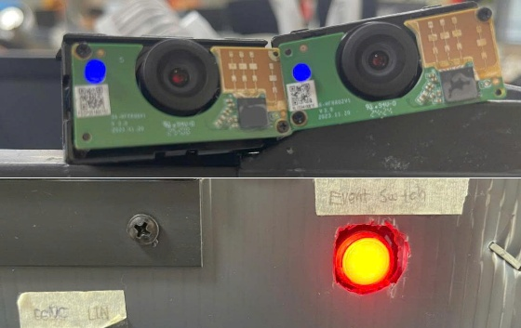 |  |  | O | X | △ | 주차 중 상시 녹화_지원 | O
 |  |  |  |  |  | 4 | ▪ Turn Key ON after waiting 1 minute ▪ After entering Built-in Cam mode, check the [Always On While Parked] box | ▪ Verify that continuous recording files are saved while parked ▪ No black thumbnails in the video list ▪ Videos will be displayed in the list based on the recording start time ▪ No video glitches, green screens, black screens, or noise ▪ The progress bar plays to the end during video playback |  |  |  |  | O | X | X | 주차 중 상시 녹화_지원 | O
 |  |  |  |  |  | 2 | ▪ Check front/rear camera indicator | ▪ Camera Indicator OFF/-/Keep |  |  |  |  | X | X | △ | 주차 중 상시 녹화_지원 | O
 |  |  |  |  |  | 3 | ▪ Check event switch indicator | ▪ Event switch indicator OFF/-/Hold |  | 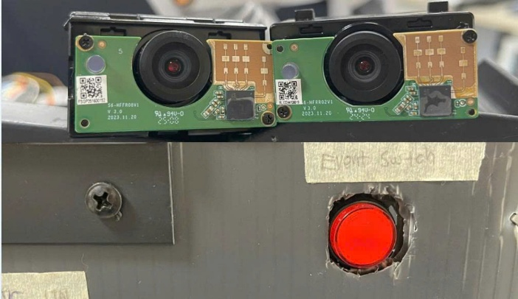 |  |  | X | X | △ | 주차 중 상시 녹화_지원 | O
OWP_003 | ▪ Requirement-based test ▪ Test derived from field experience | ▪ Requirements Analysis ▪ Field Experience-based Testing | [Continuous Recording While Parked] : Full-time Recording | Confirmation of recording file creation (20 hours) | ▪ Built-in Cam Boot Complete ▪ BLTN_CAM_State = 0x0 (BLTN_CAM Valid) ▪ BLTN_CAM_SD_Card_State = 0x0 (Good) ▪ Associated Controller CAN/Ethernet Communication Enabled ▪ Power: Key ON ▪ Voltage: 12V ▪ Setting: Parking Continuous Recording ON | 1 | ▪ Enter Built-in Cam Mode ▪ [Advanced Settings] - [Continuous Recording Time While Parked] - Check signal after setting to 20 hours of recording | ▪ BLTN_CAM_Set_PrkTime = 0x14(20h) |  |  |  |  | X | X | X | 주차 중 상시 녹화_지원 | O
 |  |  |  |  |  | 2 | ▪ Turn Key Off to enter continuous recording while parked ▪ 20-hour standby ▪ Turn Key ON, enter Built-in Cam mode, and check the parking continuous recording box | ▪ Confirmation of continuous recording file saving while parked: Confirmation of creation of a list of 40 front & rear videos (30 minutes). |  |  |  |  | X | X | X | 주차 중 상시 녹화_지원 | O
OWP_036 | ▪ Requirement-based test ▪ Test derived from field experience | ▪ Requirements Analysis ▪ Field Experience-based Testing | [Continuous Recording While Parked] : Full-time Recording | Check for interruption of related actions during continuous recording (20 hours) | ▪ Built-in Cam Boot Complete ▪ BLTN_CAM_State = 0x0 (BLTN_CAM Valid) ▪ BLTN_CAM_SD_Card_State = 0x0 (Good) ▪ Associated Controller CAN/Ethernet Communication Enabled ▪ Power: Key ON ▪ Voltage: 12V ▪ Setting: Parking Continuous Recording ON | 1 | ▪ Enter Built-in Cam Mode ▪ [Advanced Settings] - [Continuous Recording Time While Parked] - Check signal after setting to 20 hours of recording | ▪ BLTN_CAM_Set_PrkTime = 0x14(20h) |  |  |  |  | X | X | X | 주차 중 상시 녹화_지원 | O
 |  |  |  |  |  | 2 | ▪ Maintain CAN Alive status by sending NM_CGW_CCU message during 20-hour continuous parking recording ▪ Turn off the key to enter continuous parking recording ▪ Standby for 20 hours ▪ Check BLTN_CAM_RecSta_OWP signal in CAN LOG after continuous parking recording is complete | ▪ The BLTN_CAM_RecSta_OWP signal will not be turned OFF at the time of individual file saving. |  |  |  |  | X | X | X | 주차 중 상시 녹화_지원 | O
OWP_037 | ▪ Requirement-based test ▪ Test derived from field experience | ▪ Requirements Analysis ▪ Field Experience-based Testing | [Continuous Recording While Parked] : Full-time Recording | Confirmation of recording file creation (12 hours) | ▪ Built-in Cam Boot Complete ▪ BLTN_CAM_State = 0x0 (BLTN_CAM Valid) ▪ BLTN_CAM_SD_Card_State = 0x0 (Good) ▪ Associated Controller CAN/Ethernet Communication Enabled ▪ Power: Key ON ▪ Voltage: 12V ▪ Setting: Parking Continuous Recording ON | 1 | ▪ Enter Built-in Cam Mode ▪ [Advanced Settings] - [Continuous Recording Time While Parked] - Check signal after setting to 12 hours of recording | ▪ BLTN_CAM_Set_PrkTime = 0xC(12h) |  |  |  |  | X | X | X | 주차 중 상시 녹화_지원 | O
 |  |  |  |  |  | 2 | ▪ Turn Key Off to enter continuous recording while parked ▪ 12-hour standby ▪ Turn Key ON, enter Built-in Cam mode, and check the parking continuous recording box | ▪ Confirmation of continuous recording file saving while parked: Confirmation of creation of a list of 24 front & rear videos (30 minutes). |  |  |  |  | X | X | X | 주차 중 상시 녹화_지원 | O
OWP_038 | ▪ Requirement-based test ▪ Test derived from field experience | ▪ Requirements Analysis ▪ Field Experience-based Testing | [Continuous Recording While Parked] : Full-time Recording | Confirmation of recording file creation (6 hours) | ▪ Built-in Cam Boot Complete ▪ BLTN_CAM_State = 0x0 (BLTN_CAM Valid) ▪ BLTN_CAM_SD_Card_State = 0x0 (Good) ▪ Associated Controller CAN/Ethernet Communication Enabled ▪ Power: Key ON ▪ Voltage: 12V ▪ Setting: Parking Continuous Recording ON | 1 | ▪ Enter Built-in Cam Mode ▪ [Advanced Settings] - [Continuous Recording Time While Parked] - Check signal after setting to 6 hours of recording | ▪ BLTN_CAM_Set_PrkTime = 0x6(6h) |  | 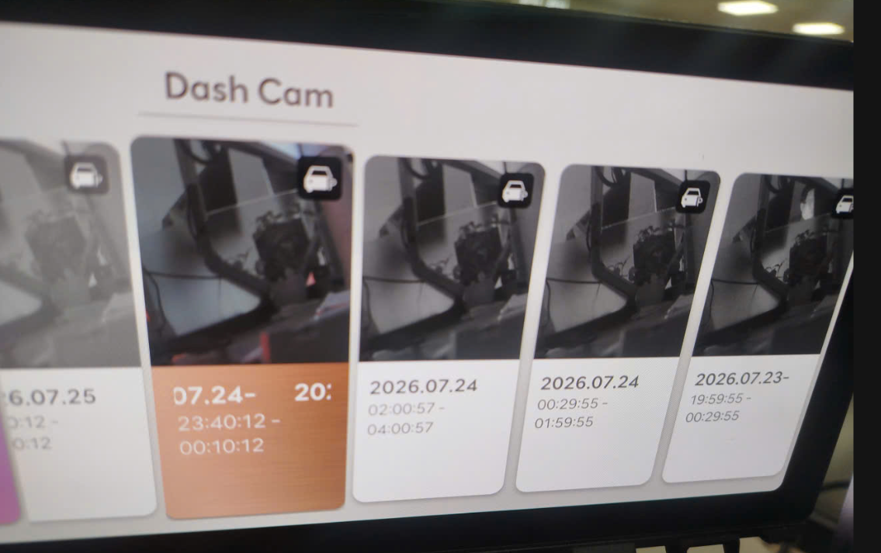 |  |  | X | X | X | 주차 중 상시 녹화_지원 | O
 |  |  |  |  |  | 2 | ▪ Turn Key Off to enter continuous recording while parked ▪ Standby for 6 hours ▪ Turn Key ON, enter Built-in Cam mode, and check the parking continuous recording box | ▪ Confirmation of continuous recording file saving while parked: Confirmation of creation of a list of 24 front & rear videos (30 minutes). |  | 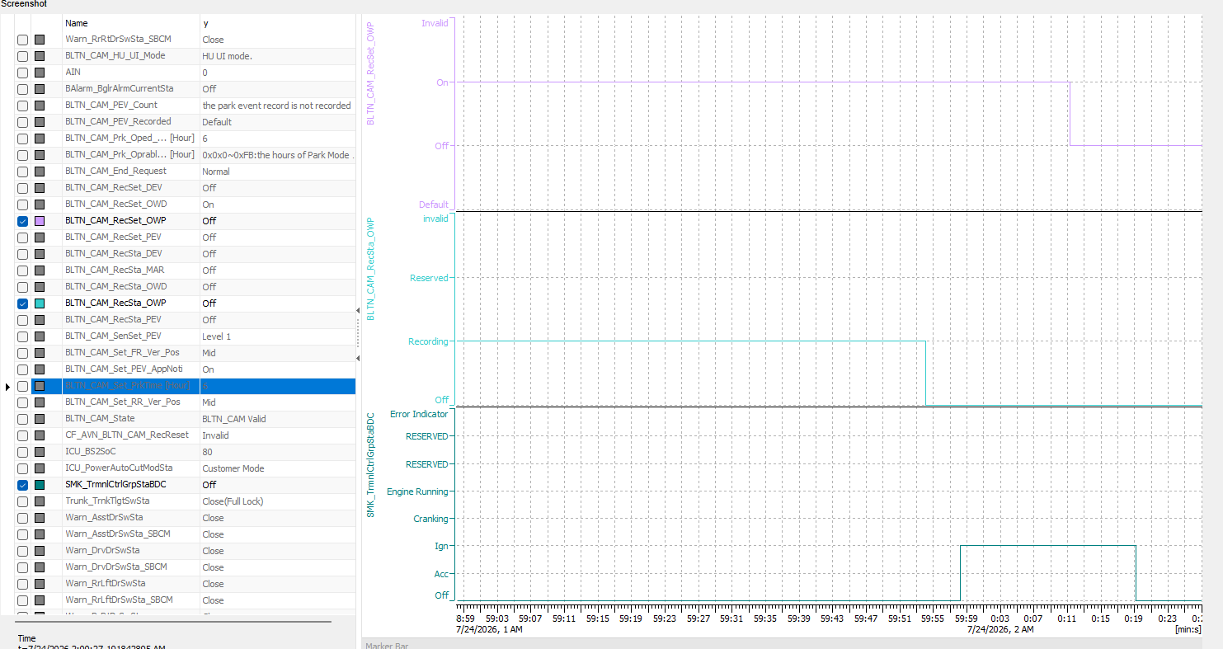 |  |  | X | X | X | 주차 중 상시 녹화_지원 | O
OWP_039 | ▪ Requirement-based test ▪ Test derived from field experience | ▪ Requirements Analysis ▪ Field Experience-based Testing | [Continuous Recording While Parked] : Full-time Recording | Confirmation of recording file creation (2 hours) | ▪ Built-in Cam Boot Complete ▪ BLTN_CAM_State = 0x0 (BLTN_CAM Valid) ▪ BLTN_CAM_SD_Card_State = 0x0 (Good) ▪ Associated Controller CAN/Ethernet Communication Enabled ▪ Power: Key ON ▪ Voltage: 12V ▪ Setting: Parking Continuous Recording ON | 1 | ▪ Enter Built-in Cam Mode ▪ [Advanced Settings] - [Continuous Recording Time While Parked] - Set to 2 hours of recording and check the signal | ▪ BLTN_CAM_Set_PrkTime = 0x2(2h) |  | 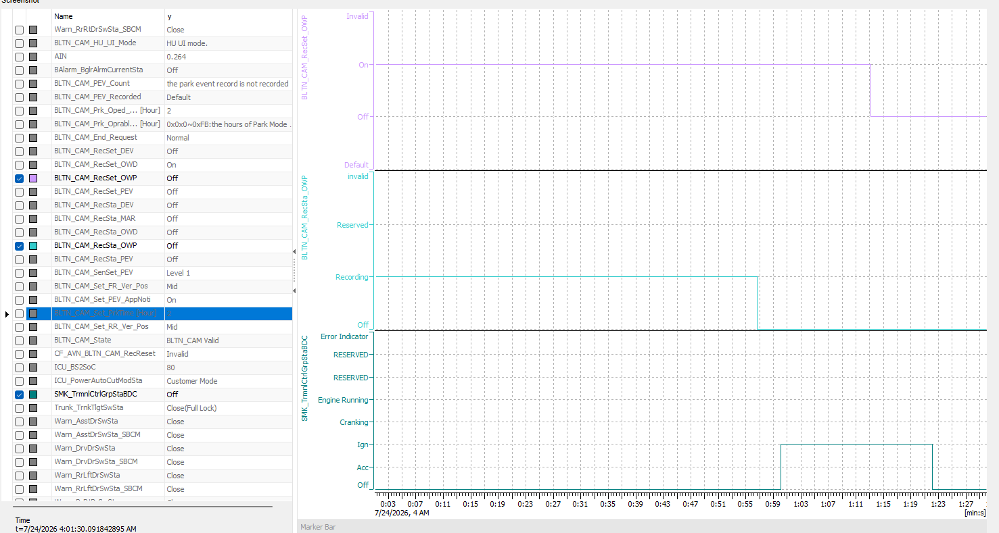 |  |  | X | X | X | 주차 중 상시 녹화_지원 | O
 |  |  |  |  |  | 2 | ▪ Enter Built-in Cam Mode ▪ Turn Key Off to enter continuous recording while parked ▪ Standby for 2 hours ▪ Turn Key ON, enter Built-in Cam Mode, and check the parking continuous recording box | ▪ Confirmation of continuous recording file saving while parked: Confirmation of creation of 4 lists for front & rear video (30 minutes). |  |  |  |  | X | X | X | 주차 중 상시 녹화_지원 | O
OWP_040 | ▪ Requirement-based test ▪ Test derived from field experience | ▪ Requirements Analysis ▪ Field Experience-based Testing | [Continuous Recording While Parked] : Separate group index when date changes | Separate group index when date changes during recording | ▪ Built-in Cam Boot Complete ▪ BLTN_CAM_State = 0x0 (BLTN_CAM Valid) ▪ BLTN_CAM_SD_Card_State = 0x0 (Good) ▪ Associated Controller CAN/Ethernet Communication Enabled ▪ Power: Key ON ▪ Voltage: 12V ▪ Setting: Parking Continuous Recording ON | 1 | ▪ Enter Built-in Cam Mode ▪ [Settings] - [Recording] - [Recording While Parked] - Turn on Continuous Parking Recording ▪ Enter HU Mode ▪ [Vehicle Settings] - [General] - [Date & Time] - Set Time to 23:38 ▪ Turn Key Off at 23:40 to enter Continuous Parking Recording ▪ Wait for 1 hour ▪ Turn Key ON, enter Built-in Cam Mode, and check the Continuous Parking Recording Box | ▪ Confirmed creation of 3 recording files for Front & Rear Video (30 min) ▪ Confirmed creation of 2 recording video groups - 23:40:00 ~ 00:10:00 - 00:10:00 ~ 00:40:00 |  | 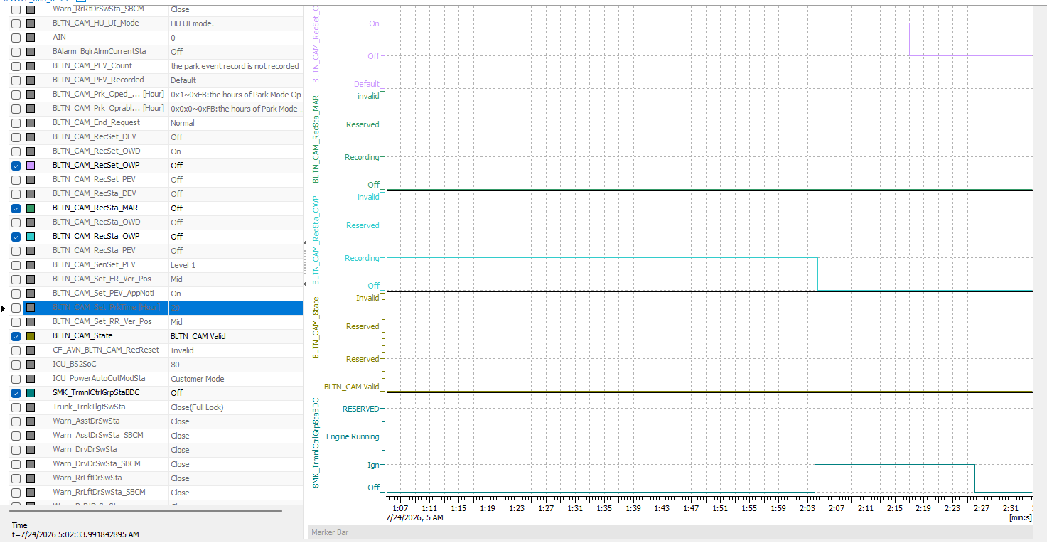 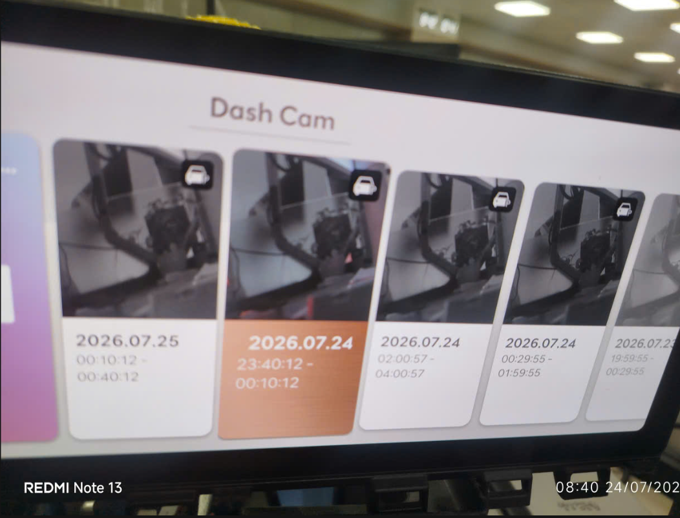 |  |  | X | X | X | 주차 중 상시 녹화_지원 | O
OWP_041 | ▪ Requirement-based test ▪ Test derived from field experience | ▪ Requirements Analysis ▪ Field Experience-based Testing | [Continuous Recording While Parked] : Recording File Spec | Check recording file specifications | ▪ Built-in Cam Boot Complete ▪ BLTN_CAM_State = 0x0 (BLTN_CAM Valid) ▪ BLTN_CAM_SD_Card_State = 0x0 (Good) ▪ Associated Controller CAN/Ethernet Communication Enabled ▪ Power: Key ON ▪ Voltage: 12V ▪ Setting: Parking Continuous Recording ON | 1 | ▪ Enter HU Mode ▪ Turn off the key to enable continuous recording while parked, then check the recording status signal **Enter HU Mode** | ▪ BLTN_CAM_RecSta_OWP = 0x1(Recording) |  |  |  |  | X | X | X | 주차 중 상시 녹화_지원 | O
 |  |  |  |  |  | 2 | ▪ Turn Key ON after a 1-minute wait to stop continuous recording while parked ▪ Check the frame rate of the generated recording file on a PC | ▪ Video saving/playback frame rate 2 FPS |  |  |  |  | X | X | X | 주차 중 상시 녹화_지원 | O
 |  |  |  |  |  | 3 | ▪ Turn Key ON after a 1-minute wait to stop continuous recording while parked ▪ Check the frame rate of the generated recording file on a PC | ▪ 2nd Generation: 2560*1440 (QHD), No audio recording ▪ 2.5th Generation: 2980*1440, No audio recording ▪ 3rd Generation: 3840 * 2160 (Front/Rear Camera), No audio recording 1280 * 1440 respectively (Side Camera), No audio recording |  |  |  |  | X | X | X | 주차 중 상시 녹화_지원 | O
 |  |  |  |  |  | 4 | ▪ Check on PC whether the generated recording file is horizontally flipped | ▪ No horizontal flip of the video |  |  |  |  | X | X | X | 주차 중 상시 녹화_지원 | O
 |  |  |  |  |  | 7 | ▪ Turn Key ON after waiting 1 minute ▪ After entering Built-in Cam mode, check the [Always On While Parked] box | ▪ Verify that continuous recording files are saved while parked ▪ No black thumbnails in the video list ▪ Videos will be displayed in the list based on the recording start time ▪ No video glitches, green screens, black screens, or noise ▪ The progress bar plays to the end during video playback |  |  |  |  | X | X | X | 주차 중 상시 녹화_지원
OWP_005 | ▪ Requirement-based test | ▪ Requirements Analysis | [When camera video is not input] | Front camera removal, continuous parking recording + manual/impact events | ▪ Built-in Cam Boot Complete ▪ BLTN_CAM_State = 0x0 (BLTN_CAM Valid) ▪ BLTN_CAM_SD_Card_State = 0x0 (Good) ▪ Associated Controller CAN/Ethernet Communication Enabled ▪ Power: Key ON ▪ Voltage: 12V ▪ Settings: Always Recording While Parked ON, Event Recording While Parked ON | 1 | ▪ Turn Key Off to enter continuous recording while parked ▪ Wait 30 seconds, then remove front camera ▪ Wait 20 seconds, then reattach camera ▪ Turn Event Switch on for impact event ▪ Wait 30 seconds, then turn Key ON ▪ Enter Built-in Cam mode and check the generated recording file | ▪ Video files are generated for continuous parking, manual recording, and impact recording. ▪ A black screen is recorded if no video input is received while the camera is removed. ▪ Recording resumes within 2 seconds of mounting the camera. |  |  |  |  | X | X | X | 주차 중 상시 녹화_지원
OWP_042 | ▪ Requirement-based test | ▪ Requirements Analysis | [When camera video is not input] | Rearview camera removal, continuous parking recording + manual/impact events | ▪ Built-in Cam Boot Complete ▪ BLTN_CAM_State = 0x0 (BLTN_CAM Valid) ▪ BLTN_CAM_SD_Card_State = 0x0 (Good) ▪ Associated Controller CAN/Ethernet Communication Enabled ▪ Power: Key ON ▪ Voltage: 12V ▪ Settings: Always Recording While Parked ON, Event Recording While Parked ON | 1 | ▪ Turn Key Off to activate continuous recording while parked ▪ Wait 30 seconds, then remove rear camera ▪ Wait 20 seconds, then reattach camera ▪ Turn Event Switch on for impact event ▪ Wait 30 seconds, then turn Key ON ▪ Enter Built-in Cam mode and check the generated recording file | ▪ Video files are generated for continuous parking, manual recording, and impact recording. ▪ A black screen is recorded if no video is input while the camera is removed. ▪ Recording resumes within 2 seconds after the camera is mounted. |  |  |  |  | X | X | X | 주차 중 상시 녹화_지원
OWP_043 | ▪ Requirement-based test | ▪ Requirements Analysis | [When camera video is not input] | Front/rear camera removal, constant parking + manual/impact events | ▪ Built-in Cam Boot Complete ▪ BLTN_CAM_State = 0x0 (BLTN_CAM Valid) ▪ BLTN_CAM_SD_Card_State = 0x0 (Good) ▪ Associated Controller CAN/Ethernet Communication Enabled ▪ Power: Key ON ▪ Voltage: 12V ▪ Settings: Always Recording While Parked ON, Event Recording While Parked ON | 1 | ▪ Turn Key Off to activate continuous recording while parked ▪ Wait 30 seconds, then remove front and rear cameras ▪ Wait 20 seconds, then reattach the cameras ▪ Turn Event Switch on for impact events ▪ Wait 30 seconds, then turn Key ON ▪ Enter Built-in Cam mode and check the generated recording files | ▪ Video files are generated for continuous parking, manual recording, and impact recording. ▪ A black screen is recorded if no video is input while the camera is removed. ▪ Recording resumes within 2 seconds after the camera is mounted. |  |  |  |  | X | X | X | 주차 중 상시 녹화_지원
OWP_044 | ▪ Requirement-based test | ▪ Requirements Analysis | [When camera video is not input] | When attaching or detaching the front camera during continuous parking recording | ▪ Built-in Cam Boot Complete ▪ BLTN_CAM_State = 0x0 (BLTN_CAM Valid) ▪ BLTN_CAM_SD_Card_State = 0x0 (Good) ▪ Associated Controller CAN/Ethernet Communication Enabled ▪ Power: Key ON ▪ Voltage: 12V ▪ Settings: Always Recording While Parked ON, Event Recording While Parked ON | 1 | ▪ Turn Key Off to enter continuous recording while parked ▪ Wait 30 seconds, then remove the front camera (remove carefully to avoid impact) ▪ Wait 20 seconds, then reattach the camera (reattach carefully to avoid impact) ▪ Wait 30 seconds, then turn Key ON ▪ Enter Built-in Cam mode and check the generated recording files | ▪ Continuous parking video file is generated ▪ Black screen is recorded if no video input is received while the camera is removed ▪ Recording resumes within 2 seconds after the camera is mounted ▪ Impact events are not recorded |  |  |  |  | X | X | X | 주차 중 상시 녹화_지원
OWP_045 | ▪ Requirement-based test | ▪ Requirements Analysis | [When camera video is not input] | Impact of CAN communication when removing the front camera during continuous recording while parked | ▪ Built-in Cam Boot Complete ▪ BLTN_CAM_State = 0x0 (BLTN_CAM Valid) ▪ BLTN_CAM_SD_Card_State = 0x0 (Good) ▪ Associated Controller CAN/Ethernet Communication Enabled ▪ Power: Key ON ▪ Voltage: 12V ▪ Settings: Always Recording While Parked ON, Event Recording While Parked ON | 1 | ▪ Turn Key Off to activate continuous recording while parked ▪ Wait 30 seconds, then remove front camera ▪ Wait 20 seconds, then reattach camera ▪ Wait 30 seconds, then turn Key ON | ▪ Maintain CAN communication |  |  |  |  | X | X | X | 주차 중 상시 녹화_지원
OWP_046 | ▪ Requirement-based test | ▪ Requirements Analysis | [When camera video is not input] | When attaching or detaching the rear camera while recording continuously in parking mode | ▪ Built-in Cam Boot Complete ▪ BLTN_CAM_State = 0x0 (BLTN_CAM Valid) ▪ BLTN_CAM_SD_Card_State = 0x0 (Good) ▪ Associated Controller CAN/Ethernet Communication Enabled ▪ Power: Key ON ▪ Voltage: 12V ▪ Settings: Always Recording While Parked ON, Event Recording While Parked ON | 1 | ▪ Turn Key Off to enter continuous recording while parked ▪ Enter CAN and Ethernet Sleep ▪ Wait 30 seconds, then remove rear camera (remove firmly) ▪ Wait 20 seconds, then install camera (install firmly) ▪ Wait 30 seconds, then turn Key ON | ▪ Continuous parking video files are generated ▪ Black screen is recorded if no video input is received while the camera is removed ▪ Recording resumes within 2 seconds after the camera is mounted ▪ Impact events are not recorded (Rear camera G-sensor not included) |  |  |  |  | X | X | X | 주차 중 상시 녹화_지원
OWP_047 | ▪ Requirement-based test | ▪ Requirements Analysis | [When camera video is not input] | When removing the camera during continuous recording while parked, and reinstalling it after turning the key ON. | ▪ Built-in Cam Boot Complete ▪ BLTN_CAM_State = 0x0 (BLTN_CAM Valid) ▪ BLTN_CAM_SD_Card_State = 0x0 (Good) ▪ Associated Controller CAN/Ethernet Communication Enabled ▪ Power: Key ON ▪ Voltage: 12V ▪ Settings: Parking Continuous Recording ON, Parking Event Recording ON | 1 | ▪ Turn Key Off to enter continuous recording while parked ▪ Enter CAN and Ethernet Sleep ▪ Remove front/rear cameras ▪ Turn Key ON ▪ Enter built-in cam mode for real-time view ▪ Install front/rear cameras | ▪ Real-time video output restored within 2 seconds of camera installation |  |  |  |  | X | X | X | 주차 중 상시 녹화_지원
OWP_048 | ▪ Requirement-based test | ▪ Requirements Analysis | [When camera video is not input] | When removing the camera during continuous recording while parked, and reinstalling it after turning the key ON. | ▪ Built-in Cam Boot Complete ▪ BLTN_CAM_State = 0x0 (BLTN_CAM Valid) ▪ BLTN_CAM_SD_Card_State = 0x0 (Good) ▪ Associated Controller CAN/Ethernet Communication Enabled ▪ Power: Key ON ▪ Voltage: 12V ▪ Settings: Parking Continuous Recording ON, Parking Event Recording ON | 1 | ▪ Enter Built-in Cam Mode ▪ [Built-in Cam Settings] - [Display Settings] - Change Front Camera Angle Value = { -5, -4, -3, -2, 0, 1, 2, 3, 4, 5} ▪ Check Signal After Changing Front Camera Angle Value ▪ Check Real-time Video | ▪ BLTN_CAM_Set_FR_Ver_Pos signal value changed = { 0x15, 0x14, 0x13, 0x12, 0x11, 0x0, 0x1, 0x2, 0x3, 0x4, 0x5} ▪ Front camera image angle adjusted |  |  |  |  | X | X | X | 주차 중 상시 녹화_지원
OWP_049 | ▪ Requirement-based test | ▪ Requirements Analysis | [When camera video is not input] | When removing the camera during continuous recording while parked, and reinstalling it after turning the key ON. | ▪ Built-in Cam Boot Complete ▪ BLTN_CAM_State = 0x0 (BLTN_CAM Valid) ▪ BLTN_CAM_SD_Card_State = 0x0 (Good) ▪ Associated Controller CAN/Ethernet Communication Enabled ▪ Power: Key ON ▪ Voltage: 12V ▪ Settings: Parking Continuous Recording ON, Parking Event Recording ON | 1 | ▪ Enter Built-in Cam Mode ▪ [Built-in Cam Settings] - [Display Settings] - Change Rear Camera Angle Value = { -5, -4, -3, -2, 0, 1, 2, 3, 4, 5} ▪ Check Signal After Changing Rear Camera Angle Value ▪ Check Real-time Video | ▪ BLTN_CAM_Set_RR_Ver_Pos signal value changed = { 0x15, 0x14, 0x13, 0x12, 0x11, 0x0, 0x1, 0x2, 0x3, 0x4, 0x5} ▪ Rear camera image angle adjusted |  |  |  |  | X | X | X | 주차 중 상시 녹화_지원
OWP_050 | ▪ Requirement-based test | ▪ Requirements Analysis | [When camera video is not input] | Impact of CAN communication when removing rear camera during continuous recording while parked | ▪ Built-in Cam Boot Complete ▪ BLTN_CAM_State = 0x0 (BLTN_CAM Valid) ▪ BLTN_CAM_SD_Card_State = 0x0 (Good) ▪ Associated Controller CAN/Ethernet Communication Enabled ▪ Power: Key ON ▪ Voltage: 12V ▪ Settings: Parking Continuous Recording ON, Parking Event Recording ON | 1 | ▪ Turn Key Off to activate continuous recording while parked ▪ Wait 30 seconds, then remove rear camera ▪ Wait 20 seconds, then install camera ▪ Wait 30 seconds, then turn Key ON | ▪ Maintain CAN communication |  |  |  |  | X | X | X | 주차 중 상시 녹화_지원
OWP_051 | ▪ Requirement-based test | ▪ Requirements Analysis | [When camera video is not input] | Check G-sensor operation status after attaching/detaching the camera during continuous recording while parked | ▪ Built-in Cam Boot Complete ▪ BLTN_CAM_State = 0x0 (BLTN_CAM Valid) ▪ BLTN_CAM_SD_Card_State = 0x0 (Good) ▪ Associated Controller CAN/Ethernet Communication Enabled ▪ Power: Key ON ▪ Voltage: 12V ▪ Settings: Parking Continuous Recording ON, Parking Event Recording ON | 1 | ▪ Enter Built-in Cam Mode ▪ [Built-in Cam Settings] - Turn ON Event Notification while Parked ▪ Turn Key Off to Enter Continuous Recording While Parked | ▪ BLTN_CAM_Set_PEV_AppNoti = 0x2(ON) |  |  |  |  | X | X | X | 주차 중 상시 녹화_지원
 |  |  |  |  |  | 2 | ▪ Remove front camera after waiting 30 seconds ▪ Install camera after waiting 20 seconds ▪ Authorize impact event ▪ ↑ Repeat the above procedure 10 times | ▪ Confirmation of Impact Event Notification Action: BLTN_CAM_PEV_Recorded = 0x2(Park Event Recorded) ▪ Impact Event Notification Action triggers a maximum of 5 times |  |  |  |  | X | X | X | 주차 중 상시 녹화_지원
 |  |  |  |  |  | 3 | ▪ Key ON ▪ Check the continuous recording file generated while parked after entering Built-in Cam mode | ▪ Continuous parking video file is generated ▪ Black screen is recorded if no video input is received while the camera is removed ▪ Recording resumes within 2 seconds after the camera is mounted |  |  |  |  | X | X | X | 주차 중 상시 녹화_지원
 |  |  |  |  |  | 4 | ▪ Check the parking event recording file generated after entering Built-in Cam mode | ▪ 10 event recording video files generated during parking |  |  |  |  | X | X | X | 주차 중 상시 녹화_지원
OWP_006 | ▪ Requirement-based test ▪Performance test | ▪ Requirements Analysis ▪Decision Table Testing | [Power Fail Safety Operation] : Emergency Power (Super Cap) Performance (Continuous recording while parked / Motion detection recording while parked) | Continuous recording while parked | ▪ Built-in Cam Boot Complete ▪ BLTN_CAM_State = 0x0 (BLTN_CAM Valid) ▪ BLTN_CAM_SD_Card_State = 0x0 (Good) ▪ Associated Controller CAN/Ethernet Communication Enabled ▪ Power: Key ON ▪ Voltage: 12V ▪ Settings: Always Recording While Parked ON, Event Recording While Parked ON | 1 | ▪ Turn Key Off to enter continuous recording while parked ▪ Disconnect the main connector ▪ Wait 60 seconds, then turn Key ON ▪ Enter Built-in Cam mode and check the generated recording file | ▪ The file being recorded just before power off is saved |  |  |  |  | X | X | X | 주차 중 상시 녹화_지원
OWP_065 | ▪ Requirement-based test ▪Performance test | ▪ Requirements Analysis ▪Decision Table Testing | [Power Fail Safety Operation] : Emergency Power (Super Cap) Performance (Continuous recording while parked / Motion detection recording while parked) | Recording event (impact) while parked | ▪ Built-in Cam Boot Complete ▪ BLTN_CAM_State = 0x0 (BLTN_CAM Valid) ▪ BLTN_CAM_SD_Card_State = 0x0 (Good) ▪ Associated Controller CAN/Ethernet Communication Enabled ▪ Power: Key ON ▪ Voltage: 12V ▪ Settings: Always Recording While Parked ON, Event Recording While Parked ON | 1 | ▪ Turn Key Off to enter continuous recording while parked ▪ Trigger an impact event ▪ Immediately disconnect the main connector ▪ Wait 60 seconds, then turn Key ON ▪ Enter Built-in Cam mode and check the generated recording file | ▪ The file being recorded just before power off is saved. ※ Based on settings, at least two files must be saved. - Save Priority: Always > Shock Detection Save (Event) > Manual Save |  |  |  |  | X | X | X | 주차 중 상시 녹화_지원
OWP_066 | ▪ Requirement-based test ▪Performance test | ▪ Requirements Analysis ▪Decision Table Testing | [Power Fail Safety Operation] : Emergency Power (Super Cap) Performance (Continuous recording while parked / Motion detection recording while parked) | Manual recording while parked | ▪ Built-in Cam Boot Complete ▪ BLTN_CAM_State = 0x0 (BLTN_CAM Valid) ▪ BLTN_CAM_SD_Card_State = 0x0 (Good) ▪ Associated Controller CAN/Ethernet Communication Enabled ▪ Power: Key ON ▪ Voltage: 12V ▪ Settings: Always Recording While Parked ON, Event Recording While Parked ON | 1 | ▪ Turn Key Off to enter continuous recording while parked ▪ Enter manual switch ▪ Immediately disconnect main connector ▪ Wait 60 seconds, then turn Key ON ▪ Enter built-in cam mode and check the generated recording file | ▪ The file being recorded right before power is turned off is saved. ※ Based on settings, at least two files must be saved. - Save Priority: Always > Impact Detection Save (Event) > Manual Save |  |  |  |  | X | X | X | 주차 중 상시 녹화_지원
OWP_067 | ▪ Requirement-based test ▪Performance test | ▪ Requirements Analysis ▪Decision Table Testing | [Power Fail Safety Operation] : Emergency Power (Super Cap) Performance (Continuous recording while parked / Motion detection recording while parked) | Simultaneous execution of continuous, impact, and manual events while parked | ▪ Built-in Cam Boot Complete ▪ BLTN_CAM_State = 0x0 (BLTN_CAM Valid) ▪ BLTN_CAM_SD_Card_State = 0x0 (Good) ▪ Associated Controller CAN/Ethernet Communication Enabled ▪ Power: Key ON ▪ Voltage: 12V ▪ Settings: Always Recording While Parked ON, Event Recording While Parked ON | 1 | ▪ Turn Key Off to enter continuous recording while parked ▪ Enter manual switch and trigger impact event ▪ Immediately disconnect main connector ▪ Wait 60 seconds, then turn Key ON ▪ Enter built-in cam mode and check the generated recording file | ▪ The file being recorded right before power is turned off is saved. ※ Based on settings, at least two files must be saved. - Save Priority: Always > Impact Detection Save (Event) > Manual Save |  |  |  |  | O | X | X | 주차 중 상시 녹화_지원
OWP_068 | ▪ Requirement-based test ▪Performance test | ▪ Requirements Analysis ▪Decision Table Testing | [Power Fail Safety Operation] : Emergency Power (Super Cap) Performance (Continuous recording while parked / Motion detection recording while parked) | B+ OFF during continuous recording while parked | ▪ Built-in Cam Boot Complete ▪ BLTN_CAM_State = 0x0 (BLTN_CAM Valid) ▪ BLTN_CAM_SD_Card_State = 0x0 (Good) ▪ Associated Controller CAN/Ethernet Communication Enabled ▪ Power: Key ON ▪ Voltage: 12V ▪ Settings: Always Recording While Parked ON, Event Recording While Parked ON | 1 | ▪ Turn Key Off to enter continuous recording while parked ▪ Parking continuous video recording, rear camera not recognized ▪ Turn B+ power input OFF ▪ Wait 60 seconds, then turn B+ power ON and Key ON ▪ Enter Built-in Cam mode and check the generated recording file | ▪ The file being recorded right before power is turned off is saved. ※ Based on settings, at least two files must be saved. - Save Priority: Always > Impact Detection Save (Event) > Manual Save |  |  |  |  | X | X | X | 주차 중 상시 녹화_지원
[BLTN_CAM-기능-006] 주차 이벤트 녹화
 |  |  |  |  |  | 2 | ▪ Check front/rear camera indicator | ▪ Camera Indicator 0.5Hz/50%/Maintain |  |  |  |  | X | X | △ | 주차 중 상시 녹화_지원
 |  |  |  |  |  | 2 | ▪ Check front/rear camera indicator | ▪ Camera indicator 1Hz/50%/10 seconds |  |  |  |  | X | X | △ | 주차 중 상시 녹화_지원
OWP_076 | ▪ Requirement-based test | ▪ Requirements Analysis | [Recording event while parked] | Confirmation of recording file creation - 3 files of 20 seconds created - Confirmation of recording file event time -10s ~ +10s | ▪ Built-in Cam Boot Complete ▪ BLTN_CAM_State = 0x0 (BLTN_CAM Valid) ▪ BLTN_CAM_SD_Card_State = 0x0 (Good) ▪ Associated Controller CAN/Ethernet Communication Enabled ▪ Power: Key ON ▪ Voltage: 12V ▪ Setting: Park Event Recording ON | 1 | ▪ Turn Key Off to enter continuous recording while parked ▪ Enable 3 events at 11-second intervals ▪ Turn Key ON to check the number of impact events while parked ▪ Enter Built-in Cam mode ▪ Check [Parking Events] in the archive | ▪ [BLTN_CAM_HU_PE] BLTN_CAM_PEV_Count = 0x3 Confirmed ▪ Confirmation of Parking Event Recording File Saving: Confirmation of creation of 3 lists of Front & Rear Videos (20 sec) |  |  |  |  | X | X | X | 주차 중 상시 녹화_지원
 |  |  |  |  |  | 2 | ▪ Playback of recording files generated in HU | ▪ No video glitches, green screens, black screens, or noise |  |  |  |  | X | X | X | 주차 중 상시 녹화_지원
 |  |  |  |  |  | 3 | ▪ Check left and right sides of the generated recording file video | ▪ No horizontal flip of the video |  |  |  |  | X | X | X | 주차 중 상시 녹화_지원
 |  |  |  |  |  | 3 | ▪ Check front/rear camera indicator | ▪ Camera Indicator 0.5Hz/50%/Maintain |  |  |  |  | X | X | △ | 주차 중 상시 녹화_지원
OWP_079 | ▪ Requirement-based test | ▪ Requirements Analysis | [Recording event while parked] | Display location of event impact (Red progress bar indicator for continuous recording files) Verify consistency | ▪ Built-in Cam Boot Complete ▪ BLTN_CAM_State = 0x0 (BLTN_CAM Valid) ▪ BLTN_CAM_SD_Card_State = 0x0 (Good) ▪ Associated Controller CAN/Ethernet Communication Enabled ▪ Power: Key ON ▪ Voltage: 12V ▪ Settings: Always Recording While Parked ON, Event Recording While Parked ON | 1 | ▪ Turn off the key to enter continuous recording while parked ▪ Wait 20 seconds, then authorize impact event | ▪ Check for a red mark at the time of an impact event in the continuous recording file while parked : Check timing alignment (within approximately 500ms) |  |  |  |  | X | X | X | 주차 중 상시 녹화_지원
OWP_080 | ▪ Requirement-based test | ▪ Requirements Analysis | [Recording event while parked] | Display Event Impact Location (Event Recording File) - Parking Always + Parking Event / Remove B+ Before Completion | ▪ Built-in Cam Boot Complete ▪ BLTN_CAM_State = 0x0 (BLTN_CAM Valid) ▪ BLTN_CAM_SD_Card_State = 0x0 (Good) ▪ Associated Controller CAN/Ethernet Communication Enabled ▪ Power: Key ON ▪ Voltage: 12V ▪ Settings: Always Recording While Parked ON, Event Recording While Parked ON | 1 | ▪ Turn off the key to enter continuous recording while parked ▪ Enable impact event while vehicle network is ALIVE ▪ Disconnect B+ after 5 seconds | ▪ Enter Built-in Cam Mode ▪ Check for a red mark at the time of impact in the recorded file during parked event recording : Check timing consistency (within approximately 500ms) |  |  |  |  | X | X | X | 주차 중 상시 녹화_지원
OWP_081 | ▪ Requirement-based test | ▪ Requirements Analysis | [Recording event while parked] | Display Event Impact Location (Event Recording File) - Parking Always + Parking Event / Remove B+ Before Completion | ▪ Built-in Cam Boot Complete ▪ BLTN_CAM_State = 0x0 (BLTN_CAM Valid) ▪ BLTN_CAM_SD_Card_State = 0x0 (Good) ▪ Associated Controller CAN/Ethernet Communication Enabled ▪ Power: Key ON ▪ Voltage: 12V ▪ Settings: Always Recording While Parked ON, Event Recording While Parked ON | 1 | ▪ Turn off the key to activate continuous recording while parked ▪ Set impact event while vehicle CAN and Ethernet are in Sleep state ▪ Disconnect auxiliary battery after 5 seconds | ▪ Enter Built-in Cam Mode ▪ Check for a red mark at the time of impact in the recorded file during parked event recording : Check timing consistency (within approximately 500ms) |  |  |  |  | X | X | X | 주차 중 상시 녹화_지원
OWP_082 | ▪ Requirement-based test | ▪ Requirements Analysis | [Recording event while parked] | Display Event Impact Location (Event Recording File) - Parking Always + Parking Event / Remove B+ Before Completion | ▪ Built-in Cam Boot Complete ▪ BLTN_CAM_State = 0x0 (BLTN_CAM Valid) ▪ BLTN_CAM_SD_Card_State = 0x0 (Good) ▪ Associated Controller CAN/Ethernet Communication Enabled ▪ Power: Key ON ▪ Voltage: 12V ▪ Settings: Always Recording While Parked ON, Event Recording While Parked ON | 1 | ▪ Turn off the key to enter continuous recording while parked ▪ Apply impact while the vehicle network is ALIVE ▪ Disconnect B+ after 5 seconds | ▪ Enter Built-in Cam Mode ▪ Check for a red mark at the time of impact in the recorded file during parked event recording : Check timing consistency (within approximately 500ms) |  |  |  |  | X | X | X | 주차 중 상시 녹화_지원
OWP_083 | ▪ Requirement-based test | ▪ Requirements Analysis | [Recording event while parked] | Display Event Impact Location (Event Recording File) - Parking Always + Parking Event / Remove B+ Before Completion | ▪ Built-in Cam Boot Complete ▪ BLTN_CAM_State = 0x0 (BLTN_CAM Valid) ▪ BLTN_CAM_SD_Card_State = 0x0 (Good) ▪ Associated Controller CAN/Ethernet Communication Enabled ▪ Power: Key ON ▪ Voltage: 12V ▪ Settings: Always Recording While Parked ON, Event Recording While Parked ON | 1 | ▪ Turn off the key to enter continuous recording while parked ▪ Apply impact while vehicle CAN and Ethernet are in Sleep state ▪ Disconnect auxiliary battery after 5 seconds | ▪ Enter Built-in Cam Mode ▪ Check for a red mark at the time of impact event in the parking event recording file : Verify timing match (within approximately 500ms) |  |  |  |  | X | X | X | 주차 중 상시 녹화_지원
OWP_009 | ▪ Requirement-based test | ▪ Requirements Analysis | [Record Events While Parked] : Check Event Save Time | Check recording file event time -10s to +10s | ▪ Built-in Cam Boot Complete ▪ BLTN_CAM_State = 0x0 (BLTN_CAM Valid) ▪ BLTN_CAM_SD_Card_State = 0x0 (Good) ▪ Associated Controller CAN/Ethernet Communication Enabled ▪ Power: Key ON ▪ Voltage: 12V ▪ Setting: Park Event Recording ON | 1 | ▪ Enter Built-in Cam Mode ▪ [Settings] - [Event Recording] - Set Previous -10s, Next +10s ▪ Turn Key Off to enter continuous recording while parked, then wait 20 seconds ▪ Enable Impact Event | ▪ BLTN_CAM_Set_EV_BfrTime = 0x0(-10s) ▪ BLTN_CAM_Set_EV_AftTime = 0x0(+10s) ▪ Parking Event Recording Video Length: 20s, Event Occurrence Time: 10s mark |  |  |  |  | O | X | X | 주차 중 상시 녹화_지원
OWP_087 | ▪ Requirement-based test | ▪ Requirements Analysis | [Record Events While Parked] : Check Event Save Time | Check recording file event time -15s ~ +10s | ▪ Built-in Cam Boot Complete ▪ BLTN_CAM_State = 0x0 (BLTN_CAM Valid) ▪ BLTN_CAM_SD_Card_State = 0x0 (Good) ▪ Associated Controller CAN/Ethernet Communication Enabled ▪ Power: Key ON ▪ Voltage: 12V ▪ Setting: Park Event Recording ON | 1 | ▪ Enter Built-in Cam Mode ▪ [Settings] - [Event Recording] - Set Previous -15s, Next +10s ▪ Turn Key Off to enter continuous recording while parked, then wait 20 seconds ▪ Enable Impact Event | ▪ BLTN_CAM_Set_EV_BfrTime = 0x5(-15s) ▪ BLTN_CAM_Set_EV_AftTime = 0x0(+10s) ▪ Parking Event Recording Video Length: 25s, Event Occurrence Time: 15s mark |  |  |  |  | X | X | X | 주차 중 상시 녹화_지원
OWP_088 | ▪ Requirement-based test | ▪ Requirements Analysis | [Record Events While Parked] : Check Event Save Time | Check recording file event time -20s ~ +10s | ▪ Built-in Cam Boot Complete ▪ BLTN_CAM_State = 0x0 (BLTN_CAM Valid) ▪ BLTN_CAM_SD_Card_State = 0x0 (Good) ▪ Associated Controller CAN/Ethernet Communication Enabled ▪ Power: Key ON ▪ Voltage: 12V ▪ Setting: Park Event Recording ON | 1 | ▪ Enter Built-in Cam Mode ▪ [Settings] - [Event Recording] - Set Previous -20s, Next +10s ▪ Turn Key Off to enter continuous recording while parked, then wait 20 seconds ▪ Enable Impact Event | ▪ BLTN_CAM_Set_EV_BfrTime = 0xA(-20s) ▪ BLTN_CAM_Set_EV_AftTime = 0x0(+10s) ▪ Parking Event Recording Video Length: 30s, Event Occurrence Time: 20s mark |  |  |  |  | X | X | X | 주차 중 상시 녹화_지원
OWP_089 | ▪ Requirement-based test | ▪ Requirements Analysis | [Record Events While Parked] : Check Event Save Time | Check recording file event occurrence time -10s ~ +15s | ▪ Built-in Cam Boot Complete ▪ BLTN_CAM_State = 0x0 (BLTN_CAM Valid) ▪ BLTN_CAM_SD_Card_State = 0x0 (Good) ▪ Associated Controller CAN/Ethernet Communication Enabled ▪ Power: Key ON ▪ Voltage: 12V ▪ Setting: Park Event Recording ON | 1 | ▪ Enter Built-in Cam Mode ▪ [Settings] - [Event Recording] - Set Previous -10s, Next +15s ▪ Turn Key Off to enter continuous recording while parked, then wait 20 seconds ▪ Enable Impact Event | ▪ BLTN_CAM_Set_EV_BfrTime = 0x0(-10s) ▪ BLTN_CAM_Set_EV_AftTime = 0x5(+15s) ▪ Parking Event Recording Video Length: 25s, Event Occurrence Time: 10s mark |  |  |  |  | X | X | X | 주차 중 상시 녹화_지원
OWP_090 | ▪ Requirement-based test | ▪ Requirements Analysis | [Record Events While Parked] : Check Event Save Time | Check recording file event time -15s ~ +15s | ▪ Built-in Cam Boot Complete ▪ BLTN_CAM_State = 0x0 (BLTN_CAM Valid) ▪ BLTN_CAM_SD_Card_State = 0x0 (Good) ▪ Associated Controller CAN/Ethernet Communication Enabled ▪ Power: Key ON ▪ Voltage: 12V ▪ Setting: Park Event Recording ON | 1 | ▪ Enter Built-in Cam Mode ▪ [Settings] - [Event Recording] - Set Previous -15s, Next +15s ▪ Turn Key Off to enter continuous recording while parked, then wait 20 seconds ▪ Enable Impact Event | ▪ BLTN_CAM_Set_EV_BfrTime = 0x5(-15s) ▪ BLTN_CAM_Set_EV_AftTime = 0x5(+15s) ▪ Parking Event Recording Video Length: 30s, Event Occurrence Time: 15s mark |  |  |  |  | X | X | X | 주차 중 상시 녹화_지원
OWP_091 | ▪ Requirement-based test | ▪ Requirements Analysis | [Record Events While Parked] : Check Event Save Time | Check recording file event time -20s ~ +15s | ▪ Built-in Cam Boot Complete ▪ BLTN_CAM_State = 0x0 (BLTN_CAM Valid) ▪ BLTN_CAM_SD_Card_State = 0x0 (Good) ▪ Associated Controller CAN/Ethernet Communication Enabled ▪ Power: Key ON ▪ Voltage: 12V ▪ Setting: Park Event Recording ON | 1 | ▪ Enter Built-in Cam Mode ▪ [Settings] - [Event Recording] - Set Previous -20s, Next +15s ▪ Turn Key Off to enter continuous recording while parked, then wait 20 seconds ▪ Authorize Impact Event | ▪ BLTN_CAM_Set_EV_BfrTime = 0xA(-20s) ▪ BLTN_CAM_Set_EV_AftTime = 0x5(+15s) ▪ Parking Event Recording Video Length: 30s, Event Occurrence Time: 20s mark |  |  |  |  | X | X | X | 주차 중 상시 녹화_지원
OWP_092 | ▪ Requirement-based test | ▪ Requirements Analysis | [Record Events While Parked] : Check Event Save Time | Check recording file event time -10s ~ +20s | ▪ Built-in Cam Boot Complete ▪ BLTN_CAM_State = 0x0 (BLTN_CAM Valid) ▪ BLTN_CAM_SD_Card_State = 0x0 (Good) ▪ Associated Controller CAN/Ethernet Communication Enabled ▪ Power: Key ON ▪ Voltage: 12V ▪ Setting: Park Event Recording ON | 1 | ▪ Enter Built-in Cam Mode ▪ [Settings] - [Event Recording] - Set Previous -10s, Next +20s ▪ Turn Key Off to enter continuous recording while parked, then wait 20 seconds ▪ Enable Impact Event | ▪ BLTN_CAM_Set_EV_BfrTime = 0x0(-10s) ▪ BLTN_CAM_Set_EV_AftTime = 0xA(+20s) ▪ Parking Event Recording Video Length: 30s, Event Occurrence Time: 10s mark |  |  |  |  | X | X | X | 주차 중 상시 녹화_지원
OWP_093 | ▪ Requirement-based test | ▪ Requirements Analysis | [Record Events While Parked] : Check Event Save Time | Check recording file event time -15s ~ +20s | ▪ Built-in Cam Boot Complete ▪ BLTN_CAM_State = 0x0 (BLTN_CAM Valid) ▪ BLTN_CAM_SD_Card_State = 0x0 (Good) ▪ Associated Controller CAN/Ethernet Communication Enabled ▪ Power: Key ON ▪ Voltage: 12V ▪ Setting: Park Event Recording ON | 1 | ▪ Enter Built-in Cam Mode ▪ [Settings] - [Event Recording] - Set Previous -15s, Next +20s ▪ Turn Key Off to enter continuous recording while parked, then wait 20 seconds ▪ Enable Impact Event | ▪ BLTN_CAM_Set_EV_BfrTime = 0x5(-15s) ▪ BLTN_CAM_Set_EV_AftTime = 0xA(+20s) ▪ Parking Event Recording Video Length: 35s, Event Occurrence Time: 15s mark |  |  |  |  | X | X | X | 주차 중 상시 녹화_지원
OWP_094 | ▪ Requirement-based test | ▪ Requirements Analysis | [Record Events While Parked] : Check Event Save Time | Check recording file event time -20s ~ +20s | ▪ Built-in Cam Boot Complete ▪ BLTN_CAM_State = 0x0 (BLTN_CAM Valid) ▪ BLTN_CAM_SD_Card_State = 0x0 (Good) ▪ Associated Controller CAN/Ethernet Communication Enabled ▪ Power: Key ON ▪ Voltage: 12V ▪ Setting: Park Event Recording ON | 1 | ▪ Enter Built-in Cam Mode ▪ [Settings] - [Event Recording] - Set Previous -15s, Next +20s ▪ Turn Key Off to enter continuous recording while parked, then wait 20 seconds ▪ Enable Impact Event | ▪ BLTN_CAM_Set_EV_BfrTime = 0xA(-20s) ▪ BLTN_CAM_Set_EV_AftTime = 0xA(+20s) ▪ Parking Event Recording Video Length: 40s, Event Occurrence Time: 20s mark |  |  |  |  | O | X | X | 주차 중 상시 녹화_지원
 |  |  |  |  |  | 3 | ▪ Check front/rear camera indicator | ▪ Camera Indicator 0.5Hz/50%/Maintain |  |  |  |  | X | X | △ | 주차충격 알림_지원
 |  |  |  |  |  | 3 | ▪ Check front/rear camera indicator | ▪ Camera indicator 1Hz/50%/10 seconds |  |  |  |  | X | X | △ | 주차충격 알림_지원
OWP_104 | ▪ Requirement-based test | ▪ Requirements Analysis | [Parking Event Recording] : Burgler Alarm Event Recording - Parking Continuous Recording Mode (Motion Detection Recording Setting OFF during Parking) | ▪ Confirmation of Burgler Alarm Impact Event Recording File Creation - 1 20-second file - Confirmation of recording file event time -10s ~ +10s | ▪ Built-in Cam Boot Complete ▪ BLTN_CAM_State = 0x0 (BLTN_CAM Valid) ▪ BLTN_CAM_SD_Card_State = 0x0 (Good) ▪ Associated Controller CAN/Ethernet Communication Enabled ▪ Power: Key ON ▪ Voltage: 12V ▪ Settings: Event Recording While Parked ON, Continuous Recording While Parked OFF, Motion Detection Recording While Parked OFF | 1 | ▪ Turn Key Off to enter continuous recording while parked ▪ Enter CAN and Ethernet Sleep ▪ Transmit Burgler alarm signal Alarm_BglrAlrmCurrentSta 0x9 (Alarm) ▪ Wait 20 seconds, then turn Key ON ▪ Check recorded event footage while parked | ▪ Confirmation of creation of 1 list of front & rear video (20 sec) |  |  |  |  | X | X | X | 주차충격 알림_지원
 |  |  |  |  |  | 2 | ▪ Play the recording file (20 sec) to check the time of the event. | ▪ Check if the event occurs at the 10-second mark during video playback |  |  |  |  | X | X | X | 주차충격 알림_지원
 |  |  |  |  |  | 2 | ▪ Check front/rear camera indicator | ▪ Camera Indicator 0.5Hz/50%/Maintain |  |  |  |  | X | X | △ | 주차충격 알림_지원
OWP_012 | ▪ Requirement-based test | ▪ Requirements Analysis | [Parking Event Recording]: Door closing impact filtering feature | FL Door Open → Close | ▪ Built-in Cam Boot Complete ▪ BLTN_CAM_State = 0x0 (BLTN_CAM Valid) ▪ BLTN_CAM_SD_Card_State = 0x0 (Good) ▪ Associated Controller CAN/Ethernet Communication Enabled ▪ Power: Key ON ▪ Voltage: 12V ▪ Settings: Always Recording While Parked ON, Event Recording While Parked ON | 1 | ▪ Turn off Key to activate continuous recording while parked ▪ Enable impact event ▪ Door signal change within 1.5s: Warn_DrvDrSwSta = 0x1→ 0x0 ▪ Enable impact event within 1s after signal change | ▪ Do not record events while parked ▪ Event switch indicator ON/100%/Hold |  |  |  |  | O | X | X | 주차 중 상시 녹화_지원
OWP_111 | ▪ Requirement-based test | ▪ Requirements Analysis | [Parking Event Recording]: Door closing impact filtering feature | FL Door Close → Open | ▪ Built-in Cam Boot Complete ▪ BLTN_CAM_State = 0x0 (BLTN_CAM Valid) ▪ BLTN_CAM_SD_Card_State = 0x0 (Good) ▪ Associated Controller CAN/Ethernet Communication Enabled ▪ Power: Key ON ▪ Voltage: 12V ▪ Settings: Always Recording While Parked ON, Event Recording While Parked ON | 1 | ▪ Turn off Key to activate continuous recording while parked ▪ Enable impact event ▪ Door signal change within 1.5s: Warn_DrvDrSwSta = 0x0→ 0x1 ▪ Enable impact event within 1s after signal change | ▪ Do not record events while parked ▪ Event switch indicator ON/100%/Hold |  | 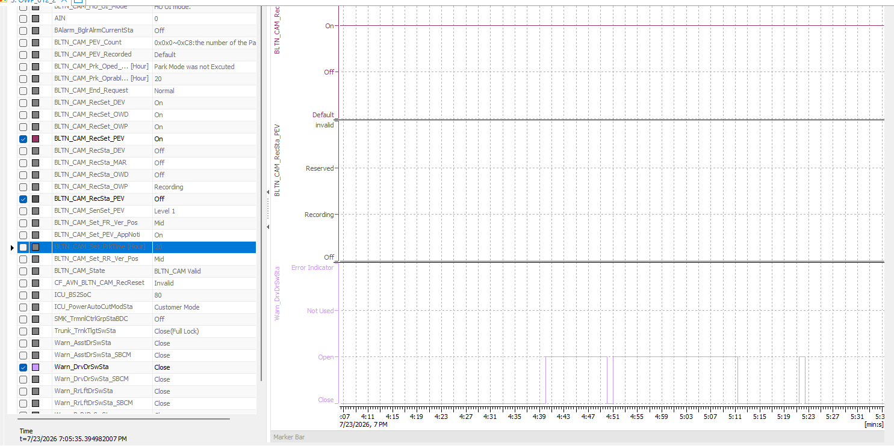 |  |  | O | X | X | 주차 중 상시 녹화_지원
OWP_112 | ▪ Requirement-based test | ▪ Requirements Analysis | [Parking Event Recording]: Door closing impact filtering feature | FR Door Open→ Close | ▪ Built-in Cam Boot Complete ▪ BLTN_CAM_State = 0x0 (BLTN_CAM Valid) ▪ BLTN_CAM_SD_Card_State = 0x0 (Good) ▪ Associated Controller CAN/Ethernet Communication Enabled ▪ Power: Key ON ▪ Voltage: 12V ▪ Settings: Always Recording While Parked ON, Event Recording While Parked ON | 1 | ▪ Turn off Key to activate continuous recording while parked ▪ Enable impact event ▪ Door signal change within 1.5s: Warn_AsstDrSwSta = 0x1→ 0x0 ▪ Enable impact event within 1s after signal change | ▪ Do not record events while parked ▪ Event switch indicator ON/100%/Hold |  | 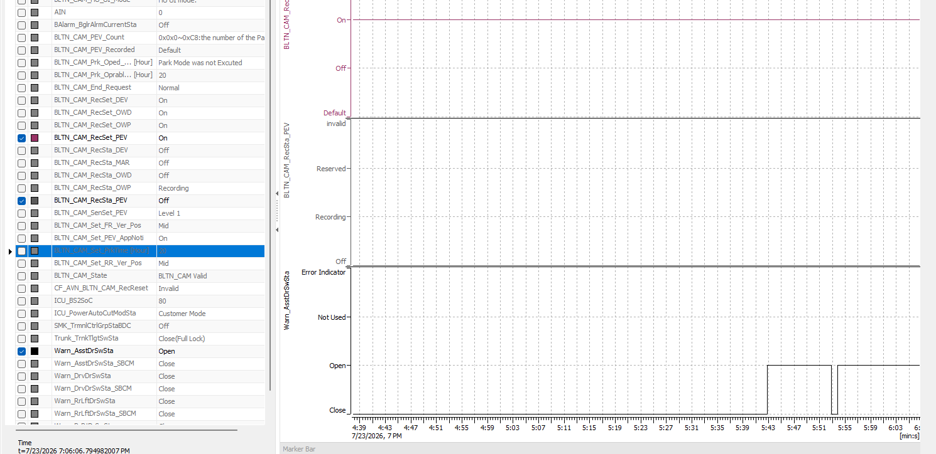 |  |  | X | X | X | 주차 중 상시 녹화_지원
OWP_113 | ▪ Requirement-based test | ▪ Requirements Analysis | [Parking Event Recording]: Door closing impact filtering feature | FR Door Close→ Open | ▪ Built-in Cam Boot Complete ▪ BLTN_CAM_State = 0x0 (BLTN_CAM Valid) ▪ BLTN_CAM_SD_Card_State = 0x0 (Good) ▪ Associated Controller CAN/Ethernet Communication Enabled ▪ Power: Key ON ▪ Voltage: 12V ▪ Settings: Always Recording While Parked ON, Event Recording While Parked ON | 1 | ▪ Turn off Key to start continuous recording while parked ▪ Enable impact event ▪ Door signal change within 1.5s: Warn_AsstDrSwSta = 0x0→ 0x1 ▪ Enable impact event within 1s after signal change | ▪ Do not record events while parked ▪ Event switch indicator ON/100%/Hold |  | 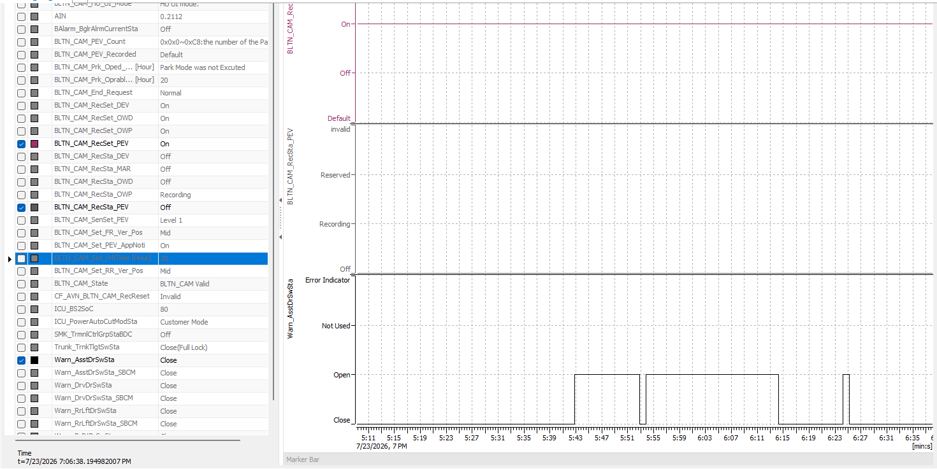 |  |  | X | X | X | 주차 중 상시 녹화_지원
OWP_114 | ▪ Requirement-based test | ▪ Requirements Analysis | [Parking Event Recording]: Door closing impact filtering feature | RL Door Open → Close | ▪ Built-in Cam Boot Complete ▪ BLTN_CAM_State = 0x0 (BLTN_CAM Valid) ▪ BLTN_CAM_SD_Card_State = 0x0 (Good) ▪ Associated Controller CAN/Ethernet Communication Enabled ▪ Power: Key ON ▪ Voltage: 12V ▪ Settings: Always Recording While Parked ON, Event Recording While Parked ON | 1 | ▪ Turn off Key to activate continuous recording while parked ▪ Enable impact event ▪ Door signal change within 1.5s: Warn_RrLftDrSwSta = 0x1→ 0x0 ▪ Enable impact event within 1s after signal change | ▪ Do not record events while parked ▪ Event switch indicator ON/100%/Hold |  | 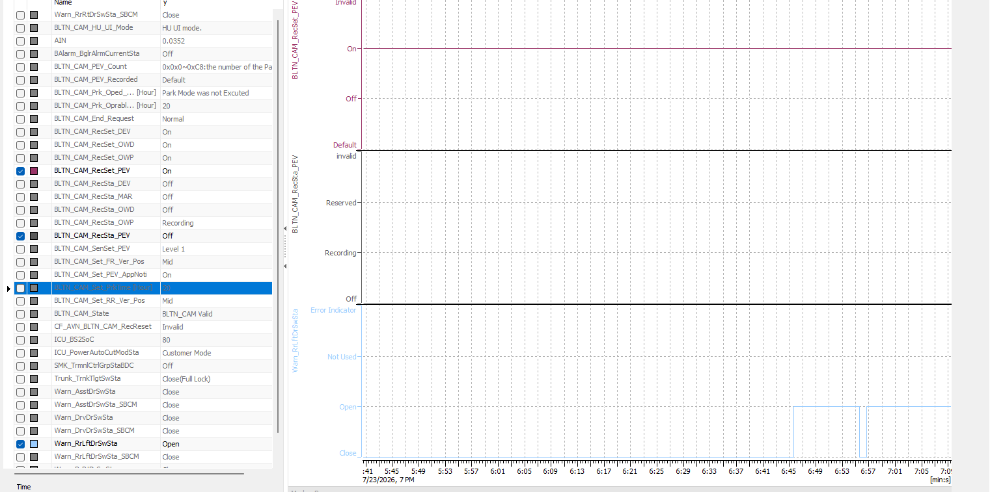 |  |  | X | X | X | 주차 중 상시 녹화_지원
OWP_115 | ▪ Requirement-based test | ▪ Requirements Analysis | [Parking Event Recording]: Door closing impact filtering feature | RL Door Close → Open | ▪ Built-in Cam Boot Complete ▪ BLTN_CAM_State = 0x0 (BLTN_CAM Valid) ▪ BLTN_CAM_SD_Card_State = 0x0 (Good) ▪ Associated Controller CAN/Ethernet Communication Enabled ▪ Power: Key ON ▪ Voltage: 12V ▪ Settings: Always Recording While Parked ON, Event Recording While Parked ON | 1 | ▪ Turn off Key to activate continuous recording while parked ▪ Enable impact event ▪ Door signal change within 1.5s: Warn_RrLftDrSwSta = 0x0→ 0x1 ▪ Enable impact event within 1s after signal change | ▪ Do not record events while parked ▪ Event switch indicator ON/100%/Hold |  | 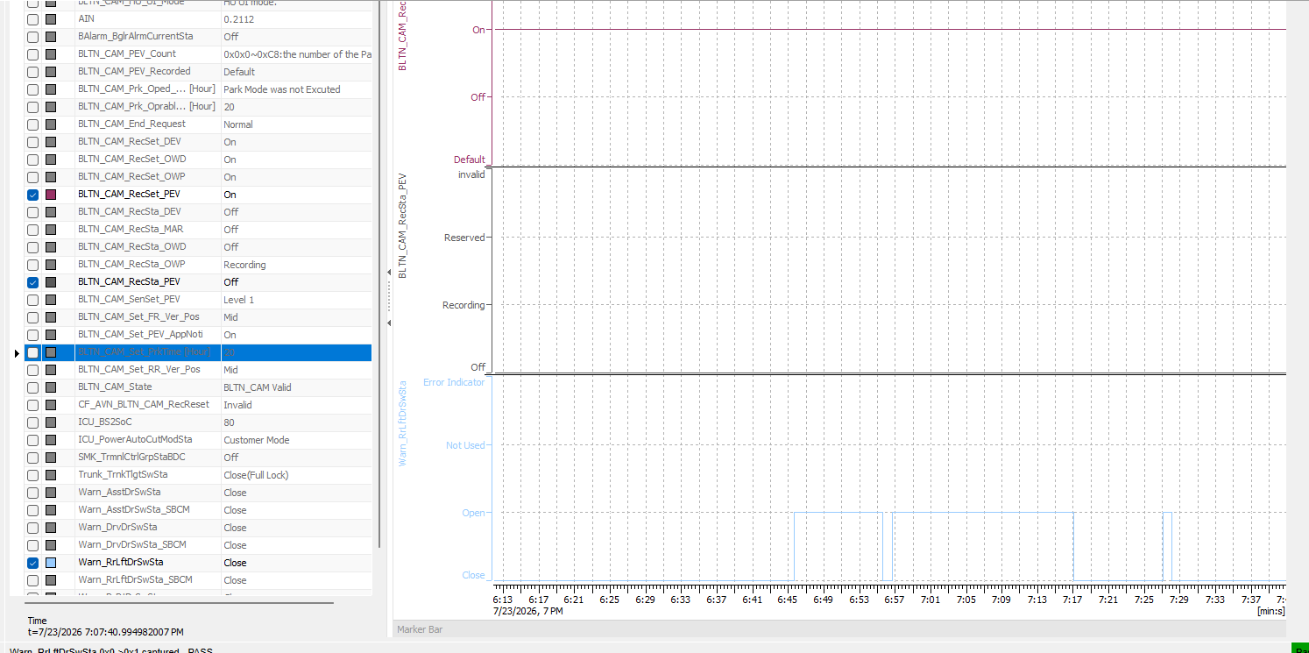 |  |  | X | X | X | 주차 중 상시 녹화_지원
OWP_116 | ▪ Requirement-based test | ▪ Requirements Analysis | [Parking Event Recording]: Door closing impact filtering feature | RR Door Open → Close | ▪ Built-in Cam Boot Complete ▪ BLTN_CAM_State = 0x0 (BLTN_CAM Valid) ▪ BLTN_CAM_SD_Card_State = 0x0 (Good) ▪ Associated Controller CAN/Ethernet Communication Enabled ▪ Power: Key ON ▪ Voltage: 12V ▪ Settings: Always Recording While Parked ON, Event Recording While Parked ON | 1 | ▪ Turn off Key to activate continuous recording while parked ▪ Enable impact event ▪ Door signal change within 1.5s: Warn_RrRtDrSwSta = 0x1→ 0x0 ▪ Enable impact event within 1s after signal change | ▪ Do not record events while parked ▪ Event switch indicator ON/100%/Hold |  | 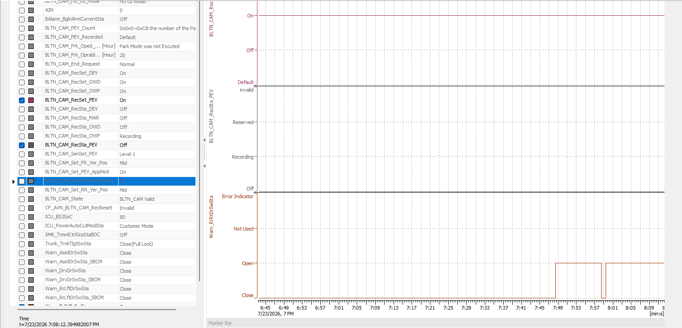 |  |  | X | X | X | 주차 중 상시 녹화_지원
OWP_117 | ▪ Requirement-based test | ▪ Requirements Analysis | [Parking Event Recording]: Door closing impact filtering feature | RR Door Close → Open | ▪ Built-in Cam Boot Complete ▪ BLTN_CAM_State = 0x0 (BLTN_CAM Valid) ▪ BLTN_CAM_SD_Card_State = 0x0 (Good) ▪ Associated Controller CAN/Ethernet Communication Enabled ▪ Power: Key ON ▪ Voltage: 12V ▪ Settings: Always Recording While Parked ON, Event Recording While Parked ON | 1 | ▪ Turn off Key to activate continuous recording while parked ▪ Enable impact event ▪ Door signal change within 1.5s: Warn_RrRtDrSwSta = 0x0→ 0x1 ▪ Enable impact event within 1s after signal change | ▪ Do not record events while parked ▪ Event switch indicator ON/100%/Hold |  | 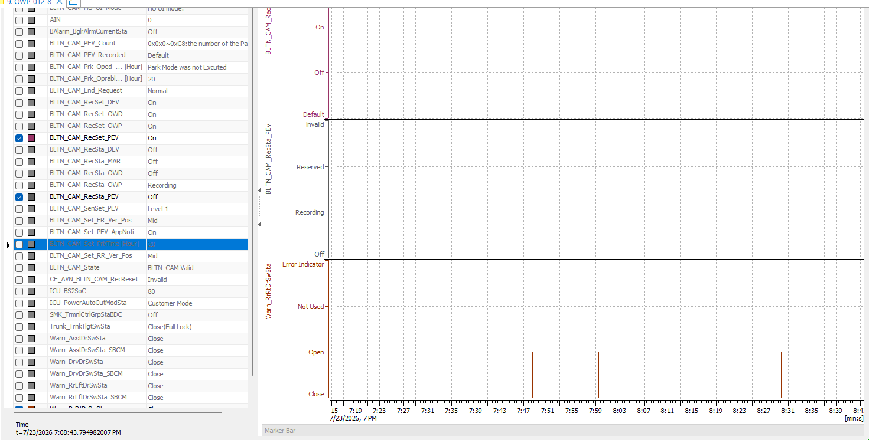 |  |  | X | X | X | 주차 중 상시 녹화_지원
OWP_118 | ▪ Requirement-based test | ▪ Requirements Analysis | [Parking Event Recording]: Door closing impact filtering feature | Trunk Open→ Close | ▪ Built-in Cam Boot Complete ▪ BLTN_CAM_State = 0x0 (BLTN_CAM Valid) ▪ BLTN_CAM_SD_Card_State = 0x0 (Good) ▪ Associated Controller CAN/Ethernet Communication Enabled ▪ Power: Key ON ▪ Voltage: 12V ▪ Settings: Always Recording While Parked ON, Event Recording While Parked ON | 1 | ▪ Turn off Key to activate continuous recording while parked ▪ Enable impact event ▪ Door signal change within 1.5s: Trunk_TrnkTlgtSwSta = 0x1→ 0x0 ▪ Enable impact event within 1s after signal change | ▪ Do not record events while parked ▪ Event switch indicator ON/100%/Hold |  | 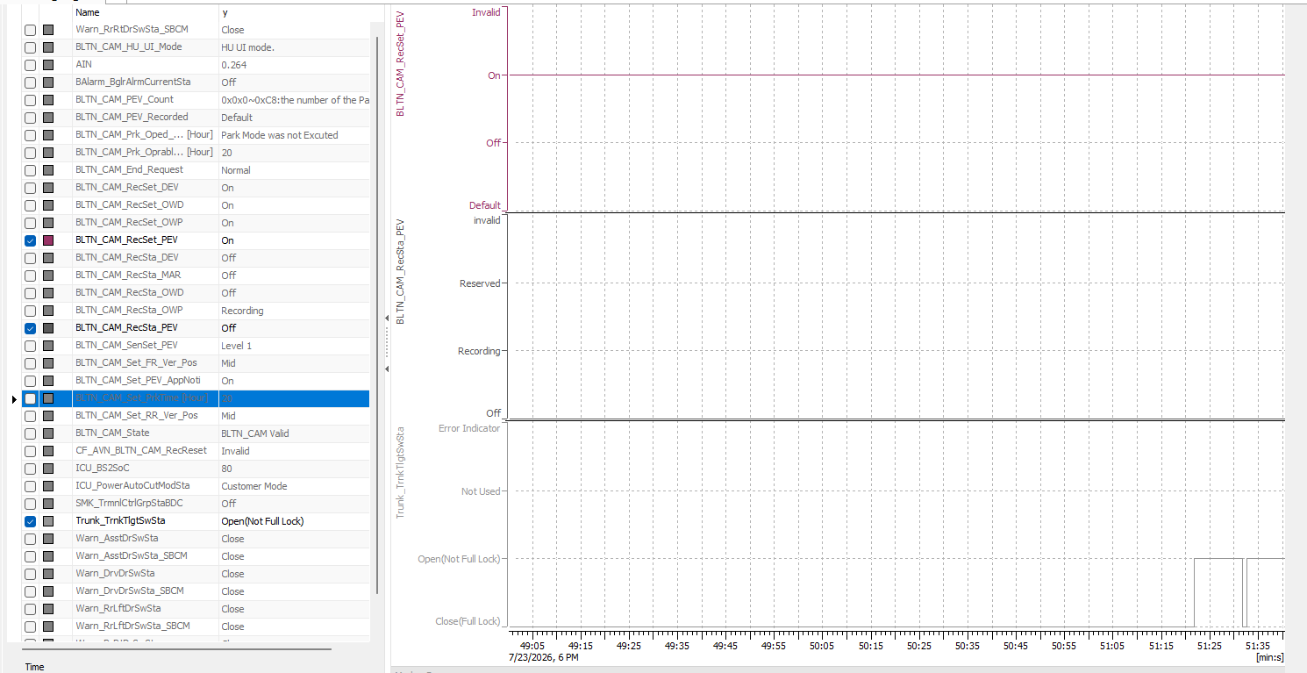 |  |  | O | X | X | 주차 중 상시 녹화_지원
OWP_119 | ▪ Requirement-based test | ▪ Requirements Analysis | [Parking Event Recording]: Door closing impact filtering feature | Trunk Close → Open (Filtering not applied, Impact recording performed) | ▪ Built-in Cam Boot Complete ▪ BLTN_CAM_State = 0x0 (BLTN_CAM Valid) ▪ BLTN_CAM_SD_Card_State = 0x0 (Good) ▪ Associated Controller CAN/Ethernet Communication Enabled ▪ Power: Key ON ▪ Voltage: 12V ▪ Settings: Always Recording While Parked ON, Event Recording While Parked ON | 1 | ▪ Turn off Key to activate continuous recording while parked ▪ Enable impact event ▪ Door signal change within 1.5s: Trunk_TrnkTlgtSwSta = 0x0→ 0x1 ▪ Enable impact event within 1s after signal change | ▪ Do not record events while parked ▪ Event switch indicator 1Hz/50%/10 seconds |  | 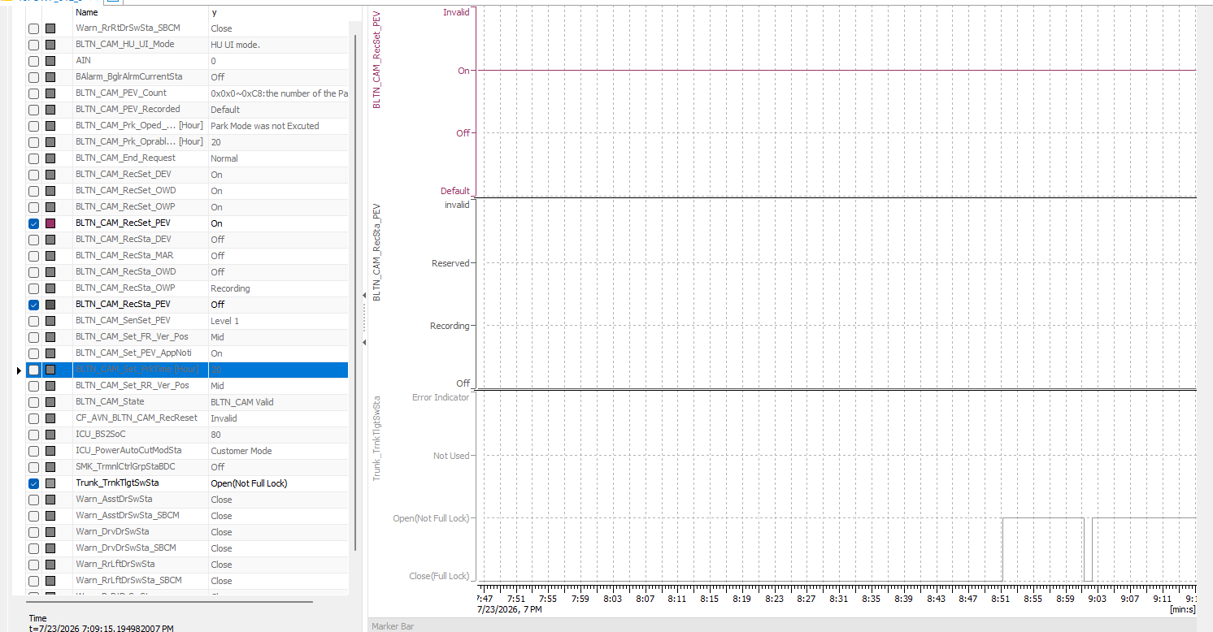 |  |  | O | X | X | 주차 중 상시 녹화_지원
OWP_120 | ▪ Requirement-based test | ▪ Requirements Analysis | [Parking Event Recording]: Door closing impact filtering feature | Hood Open → Close (Filtering not applied, Impact recording performed) | ▪ Built-in Cam Boot Complete ▪ BLTN_CAM_State = 0x0 (BLTN_CAM Valid) ▪ BLTN_CAM_SD_Card_State = 0x0 (Good) ▪ Associated Controller CAN/Ethernet Communication Enabled ▪ Power: Key ON ▪ Voltage: 12V ▪ Settings: Always Recording While Parked ON, Event Recording While Parked ON | 1 | ▪ Turn off Key to activate continuous recording while parked ▪ Enable impact event ▪ Door signal change within 1.5s: Warn_HoodSwSta = 0x1→ 0x0 ▪ Enable impact event within 1s after signal change | ▪ Do not record events while parked ▪ Event switch indicator 1Hz/50%/10 seconds |  |  |  |  | X | X | X | 주차 중 상시 녹화_지원
OWP_121 | ▪ Requirement-based test | ▪ Requirements Analysis | [Parking Event Recording]: Door closing impact filtering feature | Hood Close → Open (Filtering not applied, Impact recording performed) | ▪ Built-in Cam Boot Complete ▪ BLTN_CAM_State = 0x0 (BLTN_CAM Valid) ▪ BLTN_CAM_SD_Card_State = 0x0 (Good) ▪ Associated Controller CAN/Ethernet Communication Enabled ▪ Power: Key ON ▪ Voltage: 12V ▪ Settings: Always Recording While Parked ON, Event Recording While Parked ON | 1 | ▪ Turn off Key to activate continuous recording while parked ▪ Enable impact event ▪ Door signal change within 1.5s: Warn_HoodSwSta = 0x0→ 0x1 ▪ Enable impact event within 1s after signal change | ▪ Do not record events while parked ▪ Event switch indicator 1Hz/50%/10 seconds |  |  |  |  | X | X | X | 주차 중 상시 녹화_지원
OWP_013 | ▪ Requirement-based test | ▪ Requirements Analysis | [Parking Event Recording]: Door Close Impact Filtering (SBCM) | FL Door Open → Close | ▪ Built-in Cam Boot Complete ▪ BLTN_CAM_State = 0x0 (BLTN_CAM Valid) ▪ BLTN_CAM_SD_Card_State = 0x0 (Good) ▪ Associated Controller CAN/Ethernet Communication Enabled ▪ Power: Key ON ▪ Voltage: 12V ▪ Settings: Always Recording While Parked ON, Event Recording While Parked ON | 1 | ▪ Turn off Key to activate continuous recording while parked ▪ Enable impact event ▪ Door signal change within 1.5s: Warn_DrvDrSwSta_SBCM = 0x1→ 0x0 ▪ Enable impact event within 1s after signal change | ▪ Do not record events while parked ▪ Event switch indicator ON/100%/Hold |  | 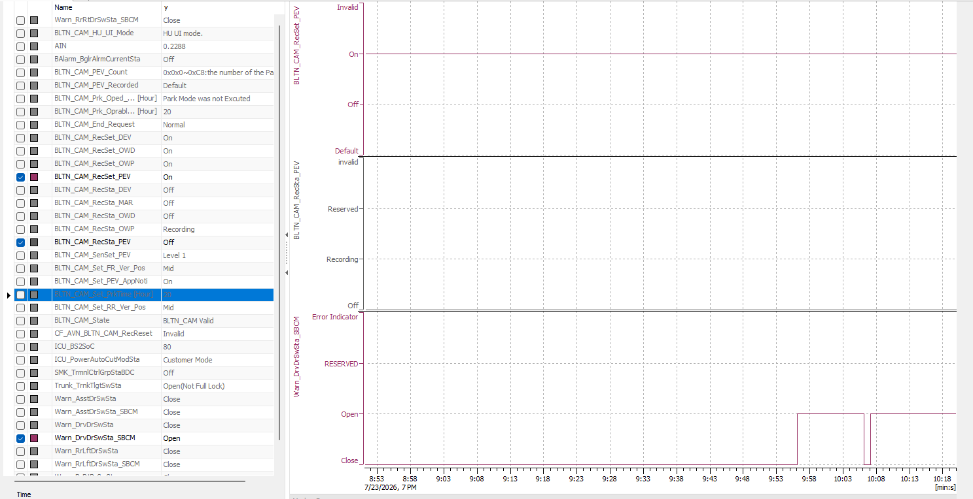 |  |  | X | X | X | 주차 중 상시 녹화_지원
OWP_122 | ▪ Requirement-based test | ▪ Requirements Analysis | [Parking Event Recording]: Door Close Impact Filtering (SBCM) | FL Door Close → Open | ▪ Built-in Cam Boot Complete ▪ BLTN_CAM_State = 0x0 (BLTN_CAM Valid) ▪ BLTN_CAM_SD_Card_State = 0x0 (Good) ▪ Associated Controller CAN/Ethernet Communication Enabled ▪ Power: Key ON ▪ Voltage: 12V ▪ Settings: Always Recording While Parked ON, Event Recording While Parked ON | 1 | ▪ Turn off Key to activate continuous recording while parked ▪ Enable impact event ▪ Door signal change within 1.5s: Warn_DrvDrSwSta_SBCM = 0x0→ 0x1 ▪ Enable impact event within 1s after signal change | ▪ Do not record events while parked ▪ Event switch indicator ON/100%/Hold |  | 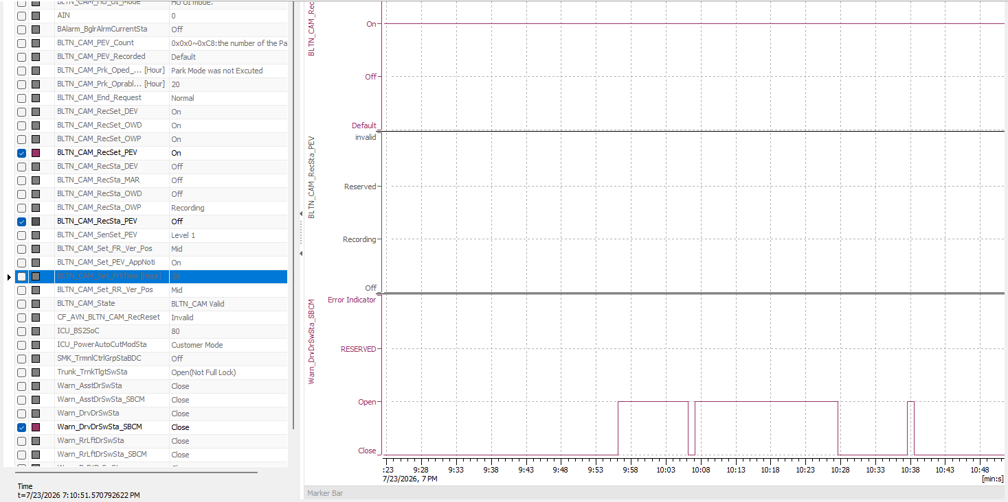 |  |  | X | X | X | 주차 중 상시 녹화_지원
OWP_123 | ▪ Requirement-based test | ▪ Requirements Analysis | [Parking Event Recording]: Door Close Impact Filtering (SBCM) | FR Door Open→ Close | ▪ Built-in Cam Boot Complete ▪ BLTN_CAM_State = 0x0 (BLTN_CAM Valid) ▪ BLTN_CAM_SD_Card_State = 0x0 (Good) ▪ Associated Controller CAN/Ethernet Communication Enabled ▪ Power: Key ON ▪ Voltage: 12V ▪ Settings: Always Recording While Parked ON, Event Recording While Parked ON | 1 | ▪ Turn off Key to activate continuous recording while parked ▪ Enable impact event ▪ Door signal change within 1.5s: Warn_AsstDrSwSta_SBCM = 0x1→ 0x0 ▪ Enable impact event within 1s after signal change | ▪ Do not record events while parked ▪ Event switch indicator ON/100%/Hold |  | 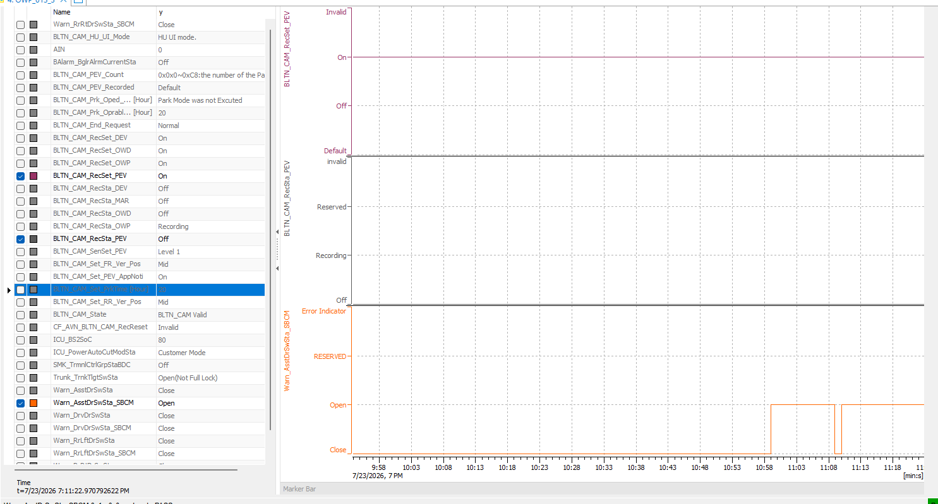 |  |  | X | X | X | 주차 중 상시 녹화_지원
OWP_124 | ▪ Requirement-based test | ▪ Requirements Analysis | [Parking Event Recording]: Door Close Impact Filtering (SBCM) | FR Door Close→ Open | ▪ Built-in Cam Boot Complete ▪ BLTN_CAM_State = 0x0 (BLTN_CAM Valid) ▪ BLTN_CAM_SD_Card_State = 0x0 (Good) ▪ Associated Controller CAN/Ethernet Communication Enabled ▪ Power: Key ON ▪ Voltage: 12V ▪ Settings: Always Recording While Parked ON, Event Recording While Parked ON | 1 | ▪ Turn off Key to activate continuous recording while parked ▪ Enable impact event ▪ Door signal change within 1.5s: Warn_AsstDrSwSta_SBCM = 0x0→ 0x1 ▪ Enable impact event within 1s after signal change | ▪ Do not record events while parked ▪ Event switch indicator ON/100%/Hold |  | 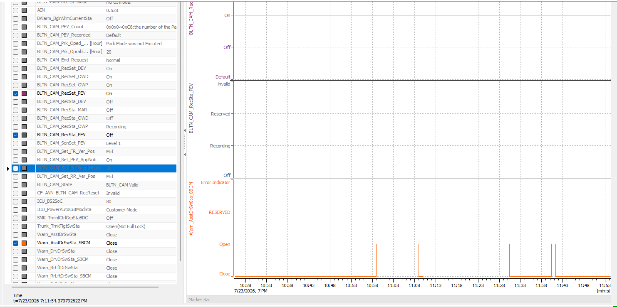 |  |  | X | X | X | 주차 중 상시 녹화_지원
OWP_125 | ▪ Requirement-based test | ▪ Requirements Analysis | [Parking Event Recording]: Door Close Impact Filtering (SBCM) | RL Door Open → Close | ▪ Built-in Cam Boot Complete ▪ BLTN_CAM_State = 0x0 (BLTN_CAM Valid) ▪ BLTN_CAM_SD_Card_State = 0x0 (Good) ▪ Associated Controller CAN/Ethernet Communication Enabled ▪ Power: Key ON ▪ Voltage: 12V ▪ Settings: Always Recording While Parked ON, Event Recording While Parked ON | 1 | ▪ Turn off Key to activate continuous recording while parked ▪ Enable impact event ▪ Door signal change within 1.5s: Warn_RrLftDrSwSta_SBCM = 0x1→ 0x0 ▪ Enable impact event within 1s after signal change | ▪ Do not record events while parked ▪ Event switch indicator ON/100%/Hold |  | 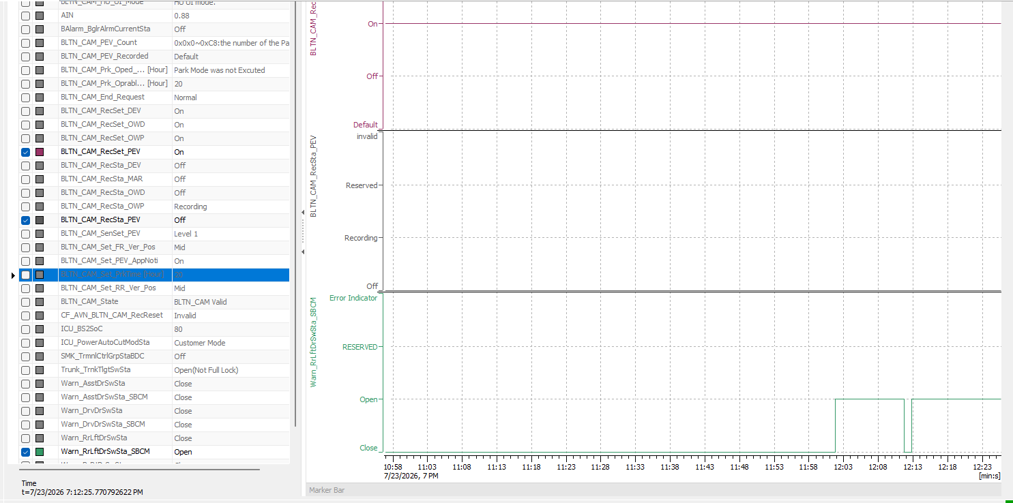 |  |  | X | X | X | 주차 중 상시 녹화_지원
OWP_126 | ▪ Requirement-based test | ▪ Requirements Analysis | [Parking Event Recording]: Door Close Impact Filtering (SBCM) | RL Door Close → Open | ▪ Built-in Cam Boot Complete ▪ BLTN_CAM_State = 0x0 (BLTN_CAM Valid) ▪ BLTN_CAM_SD_Card_State = 0x0 (Good) ▪ Associated Controller CAN/Ethernet Communication Enabled ▪ Power: Key ON ▪ Voltage: 12V ▪ Settings: Always Recording While Parked ON, Event Recording While Parked ON | 1 | ▪ Turn off Key to activate continuous recording while parked ▪ Enable impact event ▪ Door signal change within 1.5s: Warn_RrLftDrSwSta_SBCM = 0x0→ 0x1 ▪ Enable impact event within 1s after signal change | ▪ Do not record events while parked ▪ Event switch indicator ON/100%/Hold |  | 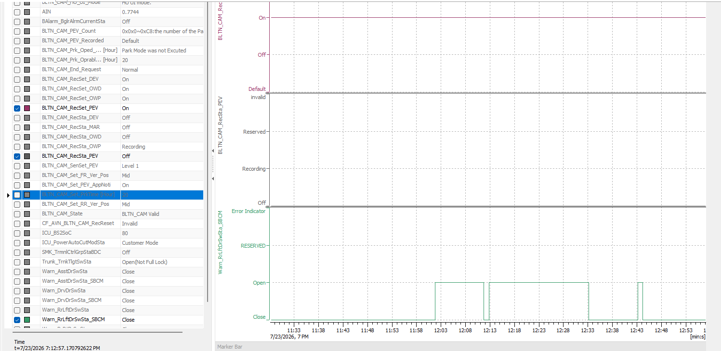 |  |  | X | X | X | 주차 중 상시 녹화_지원
OWP_127 | ▪ Requirement-based test | ▪ Requirements Analysis | [Parking Event Recording]: Door Close Impact Filtering (SBCM) | RR Door Open → Close | ▪ Built-in Cam Boot Complete ▪ BLTN_CAM_State = 0x0 (BLTN_CAM Valid) ▪ BLTN_CAM_SD_Card_State = 0x0 (Good) ▪ Associated Controller CAN/Ethernet Communication Enabled ▪ Power: Key ON ▪ Voltage: 12V ▪ Settings: Always Recording While Parked ON, Event Recording While Parked ON | 1 | ▪ Turn off Key to activate continuous recording while parked ▪ Enable impact event ▪ Door signal change within 1.5s: Warn_RrRtDrSwSta_SBCM = 0x1→ 0x0 ▪ Enable impact event within 1s after signal change | ▪ Do not record events while parked ▪ Event switch indicator ON/100%/Hold |  | 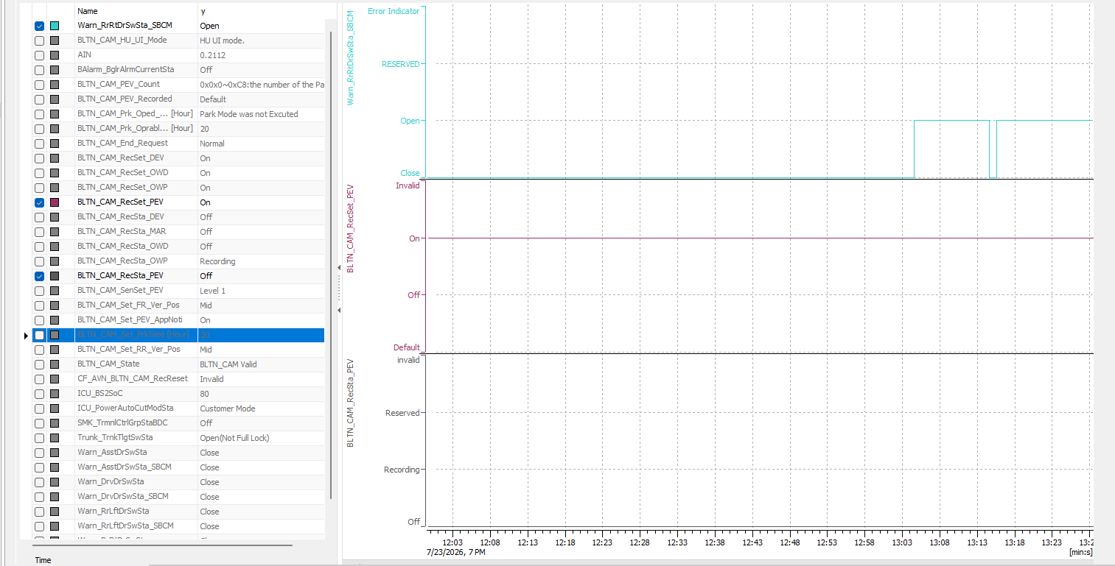 |  |  | X | X | X | 주차 중 상시 녹화_지원
OWP_128 | ▪ Requirement-based test | ▪ Requirements Analysis | [Parking Event Recording]: Door Close Impact Filtering (SBCM) | RR Door Close → Open | ▪ Built-in Cam Boot Complete ▪ BLTN_CAM_State = 0x0 (BLTN_CAM Valid) ▪ BLTN_CAM_SD_Card_State = 0x0 (Good) ▪ Associated Controller CAN/Ethernet Communication Enabled ▪ Power: Key ON ▪ Voltage: 12V ▪ Settings: Always Recording While Parked ON, Event Recording While Parked ON | 1 | ▪ Turn off Key to activate continuous recording while parked ▪ Enable impact event ▪ Door signal change within 1.5s: Warn_RrRtDrSwSta_SBCM = 0x0→ 0x1 ▪ Enable impact event within 1s after signal change | ▪ Do not record events while parked ▪ Event switch indicator ON/100%/Hold |  | 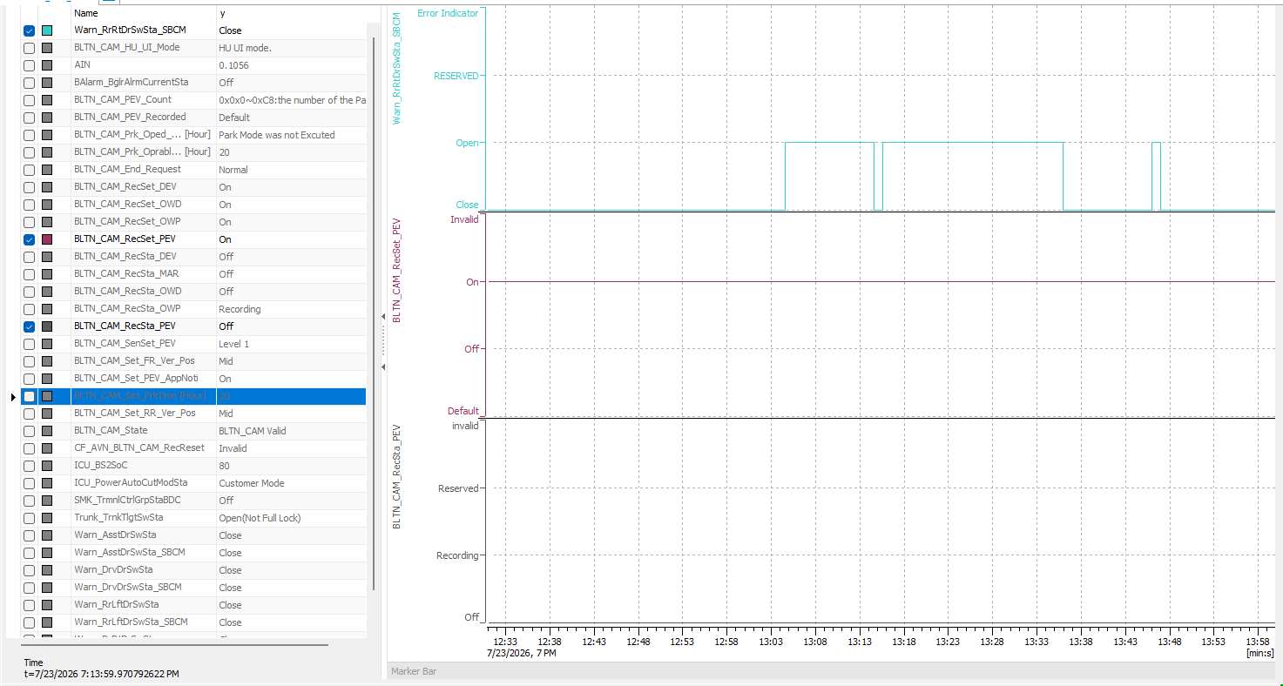 |  |  | X | X | X | 주차 중 상시 녹화_지원
[BLTN_CAM-기능-007] 주차 스위치 이벤트 녹화
 |  |  |  |  |  | 2 | ▪ Check front/rear camera indicator | ▪ Camera Indicator 0.5Hz/50%/Maintain |  |  |  |  | X | X | △ | 주차 중 상시 녹화_지원
 |  |  |  |  |  | 2 | ▪ Check front/rear camera indicator | ▪ Camera indicator 1Hz/50%/10 seconds |  |  |  |  | O | △ | △ | 주차 중 상시 녹화_지원
OWP_130 | ▪ Requirement-based test ▪ Test derived from field experience | ▪ Requirements Analysis ▪ Field Experience-based Testing | [Manual Recording While Parked] : Basic Confirmation (Event Recording Setting ON) | Verify recording file creation - Create 3 files of 20 seconds - Verify the point at which the manual recording switch is entered | ▪ Built-in Cam Boot Complete ▪ BLTN_CAM_State = 0x0 (BLTN_CAM Valid) ▪ BLTN_CAM_SD_Card_State = 0x0 (Good) ▪ Associated Controller CAN/Ethernet Communication Enabled ▪ Power: Key ON ▪ Voltage: 12V ▪ Settings: Always-on Recording While Parked OFF, Event Recording While Parked ON | 1 | ▪ Turn off the key to enter continuous recording while parked ▪ Wait 10 seconds, then input the manual switch 3 times at 11-second intervals ▪ Enter Built-in Cam Mode ▪ [Manual Recording] - Manual recording while parked. Confirm saving of recording files. | ▪ Confirmation of creation of a list of 3 front & rear videos (20 sec) (Red dot appears to indicate new video notification) |  | OWP 14 |  |  | O | X | X | 주차 중 상시 녹화_지원
 |  |  |  |  |  | 2 | ▪ Play the recording file (20 sec) to check the time of the event. | ▪ Verify that the event occurs at the 10-second mark during video playback : Verify that the impact application time matches the impact application OSD time [Development Phase Past Issue, #23236] |  | 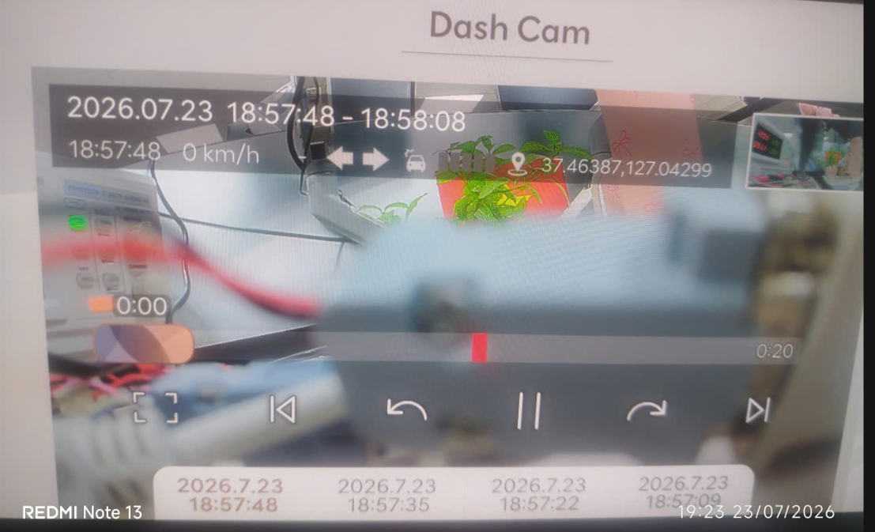 |  |  | O | X | X | 주차 중 상시 녹화_지원
 |  |  |  |  |  | 3 | ▪ Playback of recording files generated in HU | ▪ No video glitches, green screens, black screens, or noise |  |  |  |  | O | X | X | 주차 중 상시 녹화_지원
 |  |  |  |  |  | 4 | ▪ Check left and right sides of the generated recording file video | ▪ No horizontal flip of the video |  |  |  |  | O | X | X | 주차 중 상시 녹화_지원
 |  |  |  |  |  | 3 | ▪ Check front/rear camera indicator | ▪ Camera Indicator OFF/-/Keep |  |  |  |  | X | X | △ | 주차 중 상시 녹화_지원
 |  |  |  |  |  | 2 | ▪ Check front/rear camera indicator | ▪ Camera Indicator 0.5Hz/50%/Maintain |  |  |  |  | X | X | △ | 주차 중 상시 녹화_지원
 |  |  |  |  |  | 2 | ▪ Check front/rear camera indicator | ▪ Camera indicator 1Hz/50%/10 seconds |  |  |  |  | X | X | △ | 주차 중 상시 녹화_지원

